Indicator 6d Data&Image
Equity Indicator 6d: Percentage distribution of total spending on tertiary education for OECD countries by funding type (Public or Private): 2018

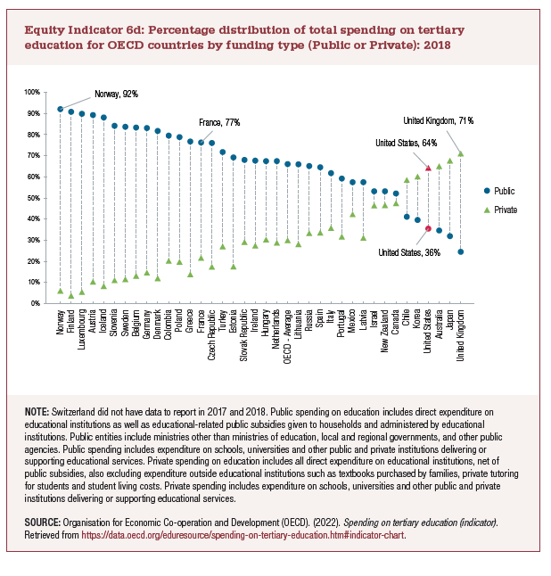
 | Public | Private
Norway | 92% | 6%
Finland | 91% | 4%
Luxembourg | 90% | 6%
Austria | 90% | 11%
Iceland | 88% | 8%
Slovenia | 84% | 11%
Sweden | 84% | 12%
Belgium | 84% | 13%
Germany | 83% | 15%
Denmark | 82% | 12%
Colombia | 80% | 20%
Poland | 79% | 20%
Greece | 77% | 14%
France | 77% | 22%
Czech Republic | 76% | 18%
Turkey | 72% | 27%
Estonia | 69% | 18%
Slovak Republic | 68% | 29%
Ireland | 68% | 28%
Hungary | 68% | 31%
Netherlands | 68% | 29%
OECD - Average | 66% | 30%
Lithuania | 66% | 28%
Russia | 65% | 34%
Spain | 65% | 34%
Italy | 62% | 36%
Portugal | 59% | 32%
Mexico | 58% | 42%
Latvia | 58% | 31%
Israel | 53% | 47%
New Zealand | 53% | 47%
Canada | 52% | 48%
Chile | 41% | 59%
Korea | 40% | 60%
United States | 36% | 64%
Australia | 35% | 65%
Japan | 32% | 68%
United Kingdom | 25% | 71%

Indicator 6d Chart
 | Public | Private
Norway | 92% | 6%
Finland | 91% | 4%
Luxembourg | 90% | 6%
Austria | 90% | 11%
Iceland | 88% | 8%
Slovenia | 84% | 11%
Sweden | 84% | 12%
Belgium | 84% | 13%
Germany | 83% | 15%
Denmark | 82% | 12%
Colombia | 80% | 20%
Poland | 79% | 20%
Greece | 77% | 14%
France | 77% | 22%
Czech Republic | 76% | 18%
Turkey | 72% | 27%
Estonia | 69% | 18%
Slovak Republic | 68% | 29%
Ireland | 68% | 28%
Hungary | 68% | 31%
Netherlands | 68% | 29%
OECD - Average | 66% | 30%
Lithuania | 66% | 28%
Russia | 65% | 34%
Spain | 65% | 34%
Italy | 62% | 36%
Portugal | 59% | 32%
Mexico | 58% | 42%
Latvia | 58% | 31%
Israel | 53% | 47%
New Zealand | 53% | 47%
Canada | 52% | 48%
Chile | 41% | 59%
Korea | 40% | 60%
United States | 36% | 64%
Australia | 35% | 65%
Japan | 32% | 68%
United Kingdom | 25% | 71%

