2022 Indicator 6c Spend Dat&Im
Equity Indicator 6c: Postsecondary expenditures per full-time-equivalent (FTE) student by country: 2018 (in constant 2020 dollars)

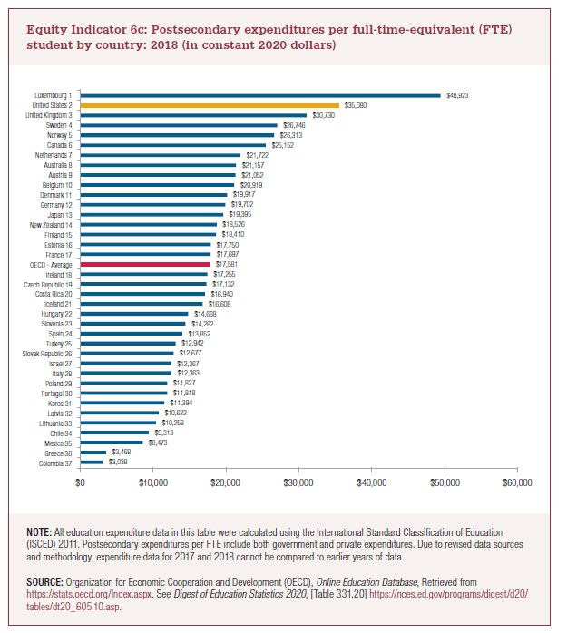
Colombia 37 | $3,038
Greece 36 | $3,468
Mexico 35 | $8,473
Chile 34 | $9,313
Lithuania 33 | $10,258
Latvia 32 | $10,622
Korea 31 | $11,394
Portugal 30 | $11,818
Poland 29 | $11,827
Italy 28 | $12,363
Israel 27 | $12,367
Slovak Republic 26 | $12,677
Turkey 25 | $12,942
Spain 24 | $13,852
Slovenia 23 | $14,282
Hungary 22 | $14,668
Iceland 21 | $16,608
Costa Rica 20 | $16,940
Czech Republic 19 | $17,132
Ireland 18 | $17,255
OECD Average | $17,581
France 17 | $17,697
Estonia 16 | $17,750
Finland 15 | $18,410
New Zealand 14 | $18,526
Japan 13 | $19,395
Germany 12 | $19,702
Denmark 11 | $19,917
Belgium 10 | $20,919
Austria 9 | $21,052
Australia 8 | $21,157
Netherlands 7 | $21,722
Canada 6 | $25,152
Norway 5 | $26,313
Sweden 4 | $26,746
United Kingdom 3 | $30,730
United States 2 | $35,080
Luxembourg 1 | $48,923
Switzerland 38

https://nces.ed.gov/programs/digest/d21/tables/dt21_605.10.asp?current=yes

2022 Indic 6c Chart
Colombia 37 | $3,038
Greece 36 | $3,468
Mexico 35 | $8,473
Chile 34 | $9,313
Lithuania 33 | $10,258
Latvia 32 | $10,622
Korea 31 | $11,394
Portugal 30 | $11,818
Poland 29 | $11,827
Italy 28 | $12,363
Israel 27 | $12,367
Slovak Republic 26 | $12,677
Turkey 25 | $12,942
Spain 24 | $13,852
Slovenia 23 | $14,282
Hungary 22 | $14,668
Iceland 21 | $16,608
Costa Rica 20 | $16,940
Czech Republic 19 | $17,132
Ireland 18 | $17,255
OECD Average | $17,581
France 17 | $17,697
Estonia 16 | $17,750
Finland 15 | $18,410
New Zealand 14 | $18,526
Japan 13 | $19,395
Germany 12 | $19,702
Denmark 11 | $19,917
Belgium 10 | $20,919
Austria 9 | $21,052
Australia 8 | $21,157
Netherlands 7 | $21,722
Canada 6 | $25,152
Norway 5 | $26,313
Sweden 4 | $26,746
United Kingdom 3 | $30,730
United States 2 | $35,080
Luxembourg 1 | $48,923

