2022 Indi 6b Data&Image
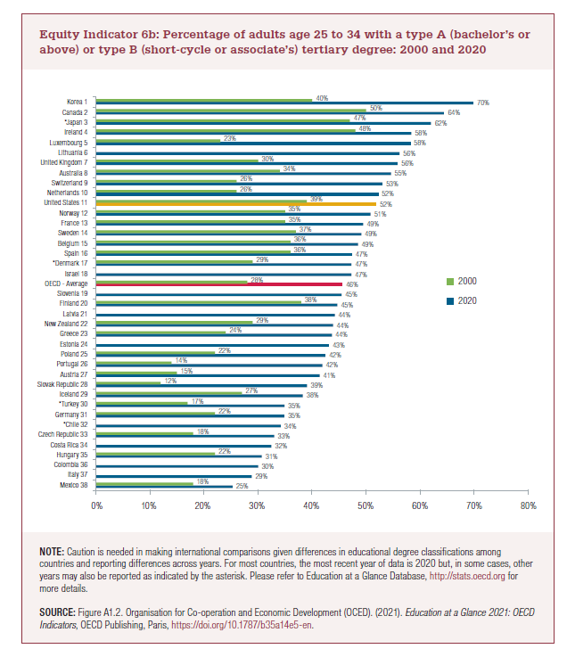
Equity Indicator 6b: Percentage of adults age 25 to 34 with a type A (bachelor’s or above) or type B (short-cycle or associate’s) tertiary degree: 2000 and 2020
 | 2020 | 2000
Mexico 38 | 25% | 18%
Italy 37 | 29%
Colombia 36 | 30%
Hungary 35 | 31% | 22%
Costa Rica 34 | 32%
Czech Republic 33 | 33% | 18%
*Chile 32 | 34%
Germany 31 | 35% | 22%
*Turkey 30 | 35% | 17%
Iceland 29 | 38% | 27%
Slovak Republic 28 | 39% | 12%
Austria 27 | 41% | 15%
Portugal 26 | 42% | 14%
Poland 25 | 42% | 22%
Estonia 24 | 43%
Greece 23 | 44% | 24%
New Zealand 22 | 44% | 29%
Latvia 21 | 44%
Finland 20 | 45% | 38%
Slovenia 19 | 45%
OECD - Average | 46% | 28% | 63%
Israel 18 | 47%
*Denmark 17 | 47% | 29%
Spain 16 | 47% | 36%
Belgium 15 | 49% | 36%
Sweden 14 | 49% | 37%
France 13 | 49% | 35%
Norway 12 | 51% | 35%
United States 11 | 52% | 39%
Netherlands 10 | 52% | 26%
Switzerland 9 | 53% | 26%
Australia 8 | 55% | 34%
United Kingdom 7 | 56% | 30%
Lithuania 6 | 56%
Luxembourg 5 | 58% | 23%
Ireland 4 | 58% | 48%
*Japan 3 | 62% | 47%
Canada 2 | 64% | 50%
Korea 1 | 70% | 40%

2022 Indicator 6b Chart
 | 2020 | 2000
Mexico 38 | 25% | 18%
Italy 37 | 29%
Colombia 36 | 30%
Hungary 35 | 31% | 22%
Costa Rica 34 | 32%
Czech Republic 33 | 33% | 18%
*Chile 32 | 34%
Germany 31 | 35% | 22%
*Turkey 30 | 35% | 17%
Iceland 29 | 38% | 27%
Slovak Republic 28 | 39% | 12%
Austria 27 | 41% | 15%
Portugal 26 | 42% | 14%
Poland 25 | 42% | 22%
Estonia 24 | 43%
Greece 23 | 44% | 24%
New Zealand 22 | 44% | 29%
Latvia 21 | 44%
Finland 20 | 45% | 38%
Slovenia 19 | 45%
OECD - Average | 46% | 28%
Israel 18 | 47%
*Denmark 17 | 47% | 29%
Spain 16 | 47% | 36%
Belgium 15 | 49% | 36%
Sweden 14 | 49% | 37%
France 13 | 49% | 35%
Norway 12 | 51% | 35%
United States 11 | 52% | 39%
Netherlands 10 | 52% | 26%
Switzerland 9 | 53% | 26%
Australia 8 | 55% | 34%
United Kingdom 7 | 56% | 30%
Lithuania 6 | 56%
Luxembourg 5 | 58% | 23%
Ireland 4 | 58% | 48%
*Japan 3 | 62% | 47%
Canada 2 | 64% | 50%
Korea 1 | 70% | 40%

