2022 Indi 6a Data&Image
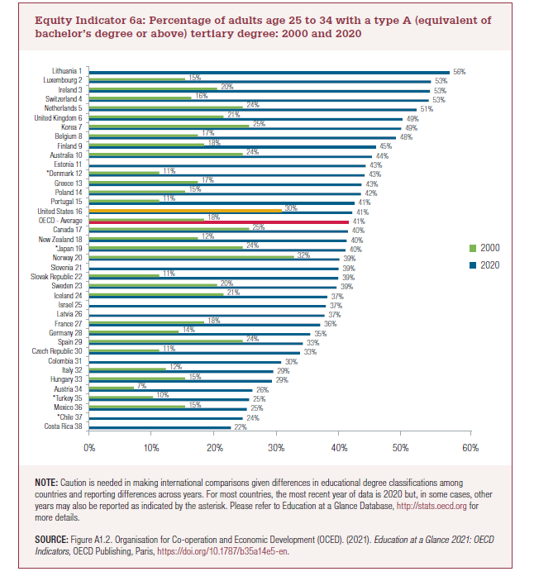
Equity Indicator 6a: Percentage of adults age 25 to 34 with a type A (equivalent of bachelor’s degree or above) tertiary degree: 2000 and 2020
 | 2020 | 2000
Costa Rica 38 | 22%
Chile 37 | 24%
Mexico 36 | 25% | 15% | 64%
Turkey 35 | 25% | 10% | 150%
Austria 34 | 26% | 7% | 264%
Hungary 33 | 29% | 15% | 90%
Italy 32 | 29% | 12% | 140%
Colombia 31 | 30%
Czech Republic 30 | 33% | 11% | 199%
Spain 29 | 33% | 24% | 39%
Germany 28 | 35% | 14% | 147%
France 27 | 36% | 18% | 100%
Latvia 26 | 37%
Israel 25 | 37%
Iceland 24 | 37% | 21% | 77%
Sweden 23 | 39% | 20% | 93%
Slovak Republic 22 | 39% | 11% | 253%
Slovenia 21 | 39%
Norway 20 | 39% | 32% | 22%
Japan 19 | 40% | 24% | 67%
New Zealand 18 | 40% | 17% | 136%
Canada 17 | 40% | 25% | 62%
OECD - Average | 41% | 18% | 125%
United States 16 | 41% | 30% | 37%
Portugal 15 | 41% | 11% | 276%
Poland 14 | 42% | 15% | 183%
Greece 13 | 43% | 17% | 150%
Denmark 12 | 43% | 11% | 291%
Estonia 11 | 43%
Australia 10 | 44% | 24% | 84%
Finland 9 | 45% | 18% | 148%
Belgium 8 | 48% | 17% | 182%
Korea 7 | 49% | 25% | 95%
United Kingdom 6 | 49% | 21% | 133%
Netherlands 5 | 51% | 24% | 113%
Switzerland 4 | 53% | 16% | 231%
Ireland 3 | 53% | 20% | 166%
Luxembourg 2 | 53% | 15% | 256%
Lithuania 1 | 56%
 |  | total % excluding OECD average | 4247%
 |  | OECD average % change | 112%
 |  | higher rate than USA now | 177%

2022 Indicator 6a Chart
 | 2020 | 2000
Costa Rica 38 | 22%
Chile 37 | 24%
Mexico 36 | 25% | 15%
Turkey 35 | 25% | 10%
Austria 34 | 26% | 7%
Hungary 33 | 29% | 15%
Italy 32 | 29% | 12%
Colombia 31 | 30%
Czech Republic 30 | 33% | 11%
Spain 29 | 33% | 24%
Germany 28 | 35% | 14%
France 27 | 36% | 18%
Latvia 26 | 37%
Israel 25 | 37%
Iceland 24 | 37% | 21%
Sweden 23 | 39% | 20%
Slovak Republic 22 | 39% | 11%
Slovenia 21 | 39%
Norway 20 | 39% | 32%
Japan 19 | 40% | 24%
New Zealand 18 | 40% | 17%
Canada 17 | 40% | 25%
OECD - Average | 41% | 18%
United States 16 | 41% | 30%
Portugal 15 | 41% | 11%
Poland 14 | 42% | 15%
Greece 13 | 43% | 17%
Denmark 12 | 43% | 11%
Estonia 11 | 43%
Australia 10 | 44% | 24%
Finland 9 | 45% | 18%
Belgium 8 | 48% | 17%
Korea 7 | 49% | 25%
United Kingdom 6 | 49% | 21%
Netherlands 5 | 51% | 24%
Switzerland 4 | 53% | 16%
Ireland 3 | 53% | 20%
Luxembourg 2 | 53% | 15%
Lithuania 1 | 56%

