2022 Indi 5h(v) Data& Image
Equity Indicator 5h(v): Percentage of population age 25 to 34 who had attained a bachelor’s degree by state: 2005 and 2019

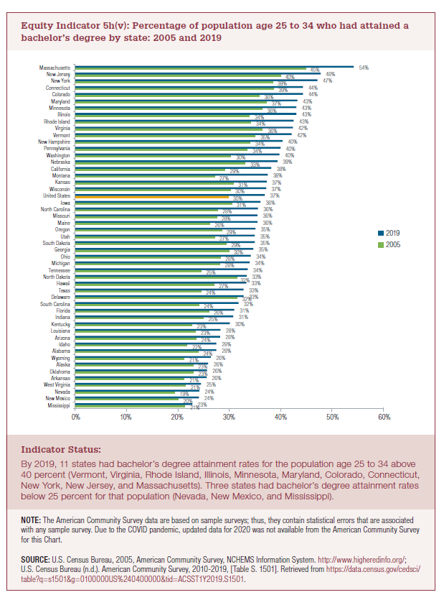
 | 2005 | 2019
Mississippi | 21% | 23%
New Mexico | 20% | 24%
Nevada | 19% | 24%
West Virginia | 21% | 25%
Arkansas | 21% | 26%
Oklahoma | 23% | 26%
Alaska | 23% | 26%
Wyoming | 21% | 26%
Alabama | 24% | 28%
Idaho | 22% | 28%
Arizona | 24% | 28%
Louisiana | 23% | 28%
Kentucky | 23% | 30%
Indiana | 25% | 31%
Florida | 26% | 31%
South Carolina | 24% | 32%
Delaware | 32% | 33%
Texas | 24% | 33%
Hawaii | 27% | 33%
North Dakota | 32% | 33%
Tennessee | 25% | 34%
Michigan | 28% | 34%
Ohio | 28% | 34%
Georgia | 30% | 35%
South Dakota | 29% | 35%
Utah | 27% | 35%
Oregon | 29% | 35%
Maine | 26% | 36%
Missouri | 28% | 36%
North Carolina | 28% | 36%
Iowa | 31% | 36%
United States | 30% | 37%
Wisconsin | 30% | 37%
Kansas | 31% | 37%
Montana | 27% | 38%
California | 29% | 38%
Nebraska | 33% | 39%
Washington | 30% | 40%
Pennsylvania | 34% | 40%
New Hampshire | 34% | 40%
Vermont | 35% | 42%
Virginia | 36% | 42%
Rhode Island | 34% | 43%
Illinois | 34% | 43%
Minnesota | 36% | 43%
Maryland | 37% | 43%
Colorado | 36% | 44%
Connecticut | 39% | 44%
New York | 39% | 47%
New Jersey | 40% | 48%
Massachusetts | 45% | 54%

2022 Indi 5h(v) Chart
 | 2005 | 2019
Mississippi | 21% | 23%
New Mexico | 20% | 24%
Nevada | 19% | 24%
West Virginia | 21% | 25%
Arkansas | 21% | 26%
Oklahoma | 23% | 26%
Alaska | 23% | 26%
Wyoming | 21% | 26%
Alabama | 24% | 28%
Idaho | 22% | 28%
Arizona | 24% | 28%
Louisiana | 23% | 28%
Kentucky | 23% | 30%
Indiana | 25% | 31%
Florida | 26% | 31%
South Carolina | 24% | 32%
Delaware | 32% | 33%
Texas | 24% | 33%
Hawaii | 27% | 33%
North Dakota | 32% | 33%
Tennessee | 25% | 34%
Michigan | 28% | 34%
Ohio | 28% | 34%
Georgia | 30% | 35%
South Dakota | 29% | 35%
Utah | 27% | 35%
Oregon | 29% | 35%
Maine | 26% | 36%
Missouri | 28% | 36%
North Carolina | 28% | 36%
Iowa | 31% | 36%
United States | 30% | 37%
Wisconsin | 30% | 37%
Kansas | 31% | 37%
Montana | 27% | 38%
California | 29% | 38%
Nebraska | 33% | 39%
Washington | 30% | 40%
Pennsylvania | 34% | 40%
New Hampshire | 34% | 40%
Vermont | 35% | 42%
Virginia | 36% | 42%
Rhode Island | 34% | 43%
Illinois | 34% | 43%
Minnesota | 36% | 43%
Maryland | 37% | 43%
Colorado | 36% | 44%
Connecticut | 39% | 44%
New York | 39% | 47%
New Jersey | 40% | 48%
...

