2022 Indi 5h(iv) Data & Image
Equity Indicator 5h(iv): Graduation rate within 150 percent of normal time at institution of first enrollment for degree-seeking undergraduate students at 4-year postsecondary institutions by state of institution: 2014 cohort by 2020
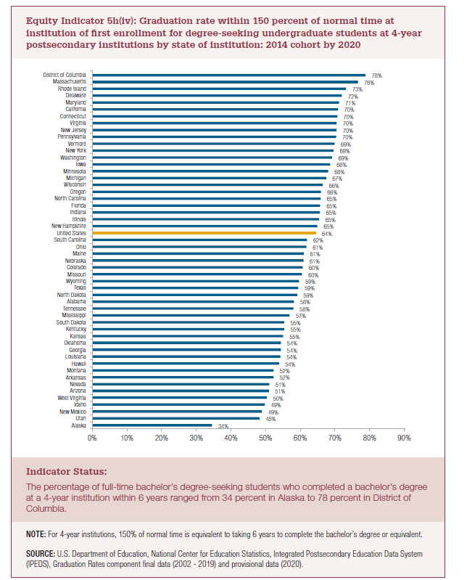
 | 2014
Alaska | 34%
Utah | 48%
New Mexico | 49%
Idaho | 49%
West Virginia | 50%
Arizona | 51%
Nevada | 51%
Arkansas | 52%
Montana | 52%
Hawaii | 54%
Louisiana | 54%
Georgia | 54%
Oklahoma | 54%
Kansas | 55%
Kentucky | 55%
South Dakota | 55%
Mississippi | 57%
Tennessee | 58%
Alabama | 58%
North Dakota | 59%
Texas | 59%
Wyoming | 59%
Missouri | 60%
Colorado | 60%
Nebraska | 61%
Maine | 61%
Ohio | 61%
South Carolina | 62%
United States | 64%
New Hampshire | 65%
Illinois | 65%
Indiana | 65%
Florida | 65%
North Carolina | 65%
Oregon | 66%
Wisconsin | 66%
Michigan | 67%
Minnesota | 68%
Iowa | 68%
Washington | 69%
New York | 69%
Vermont | 69%
Pennsylvania | 70%
New Jersey | 70%
Virginia | 70%
Connecticut | 70%
California | 70%
Maryland | 71%
Delaware | 72%
Rhode Island | 73%
Massachusetts | 76%
District of Columbia | 78%

2022 Indi 5h(iv) Chart
Alaska | 34%
Utah | 48%
New Mexico | 49%
Idaho | 49%
West Virginia | 50%
Arizona | 51%
Nevada | 51%
Arkansas | 52%
Montana | 52%
Hawaii | 54%
Louisiana | 54%
Georgia | 54%
Oklahoma | 54%
Kansas | 55%
Kentucky | 55%
South Dakota | 55%
Mississippi | 57%
Tennessee | 58%
Alabama | 58%
North Dakota | 59%
Texas | 59%
Wyoming | 59%
Missouri | 60%
Colorado | 60%
Nebraska | 61%
Maine | 61%
Ohio | 61%
South Carolina | 62%
United States | 64%
New Hampshire | 65%
Illinois | 65%
Indiana | 65%
Florida | 65%
North Carolina | 65%
Oregon | 66%
Wisconsin | 66%
Michigan | 67%
Minnesota | 68%
Iowa | 68%
Washington | 69%
New York | 69%
Vermont | 69%
Pennsylvania | 70%
New Jersey | 70%
Virginia | 70%
Connecticut | 70%
California | 70%
Maryland | 71%
Delaware | 72%
Rhode Island | 73%
...

