2022 Indi 5h(iii) Data&Image
Equity Indicator 5h(iii): Percentage of the population age 25 and older with a bachelor’s degree or higher by state: 1940 and 2021

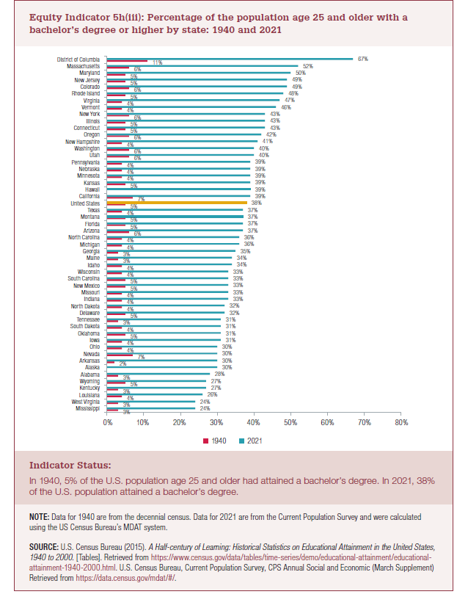
 | 1940 | 2021
Mississippi | 3% | 24%
West Virginia | 3% | 24%
Louisiana | 4% | 26%
Kentucky | 3% | 27%
Wyoming | 5% | 27%
Alabama | 3% | 28%
Alaska |  | 30%
Arkansas | 2% | 30%
Nevada | 7% | 30%
Ohio | 4% | 30%
Iowa | 4% | 31%
Oklahoma | 5% | 31%
South Dakota | 4% | 31%
Tennessee | 3% | 31%
Delaware | 5% | 32%
North Dakota | 4% | 32%
Indiana | 4% | 33%
Missouri | 4% | 33%
New Mexico | 5% | 33%
South Carolina | 5% | 33%
Wisconsin | 4% | 33%
Idaho | 4% | 34%
Maine | 3% | 34%
Georgia | 3% | 35%
Michigan | 4% | 36%
North Carolina | 4% | 36%
Arizona | 6% | 37%
Florida | 5% | 37%
Montana | 5% | 37%
Texas | 4% | 37%
United States | 5% | 38%
California | 7% | 39%
Hawaii |  | 39%
Kansas | 5% | 39%
Minnesota | 4% | 39%
Nebraska | 4% | 39%
Pennsylvania | 4% | 39%
Utah | 6% | 40%
Washington | 6% | 40%
New Hampshire | 4% | 41%
Oregon | 6% | 42%
Connecticut | 5% | 43%
Illinois | 5% | 43%
New York | 6% | 43%
Vermont | 4% | 46%
Virginia | 4% | 47%
Rhode Island | 5% | 48%
Colorado | 6% | 49%
New Jersey | 5% | 49%
Maryland | 5% | 50%
Massachusetts | 6% | 52%
District of Columbia | 11% | 67%

2022 Indi 5h(iii) Chart
 | 1940 | 2021
Mississippi | 3% | 24%
West Virginia | 3% | 24%
Louisiana | 4% | 26%
Kentucky | 3% | 27%
Wyoming | 5% | 27%
Alabama | 3% | 28%
Alaska |  | 30%
Arkansas | 2% | 30%
Nevada | 7% | 30%
Ohio | 4% | 30%
Iowa | 4% | 31%
Oklahoma | 5% | 31%
South Dakota | 4% | 31%
Tennessee | 3% | 31%
Delaware | 5% | 32%
North Dakota | 4% | 32%
Indiana | 4% | 33%
Missouri | 4% | 33%
New Mexico | 5% | 33%
South Carolina | 5% | 33%
Wisconsin | 4% | 33%
Idaho | 4% | 34%
Maine | 3% | 34%
Georgia | 3% | 35%
Michigan | 4% | 36%
North Carolina | 4% | 36%
Arizona | 6% | 37%
Florida | 5% | 37%
Montana | 5% | 37%
Texas | 4% | 37%
United States | 5% | 38%
California | 7% | 39%
Hawaii |  | 39%
Kansas | 5% | 39%
Minnesota | 4% | 39%
Nebraska | 4% | 39%
Pennsylvania | 4% | 39%
Utah | 6% | 40%
Washington | 6% | 40%
New Hampshire | 4% | 41%
Oregon | 6% | 42%
Connecticut | 5% | 43%
Illinois | 5% | 43%
New York | 6% | 43%
Vermont | 4% | 46%
Virginia | 4% | 47%
Rhode Island | 5% | 48%
Colorado | 6% | 49%
New Jersey | 5% | 49%
Maryland | 5% | 50%
...

