2022 Indi 5h(ii) Data&Image
Equity Indicator 5h(ii): Percentage of the population age 25 and older with a high school diploma or equivalent credential by state: 1940 and 2021

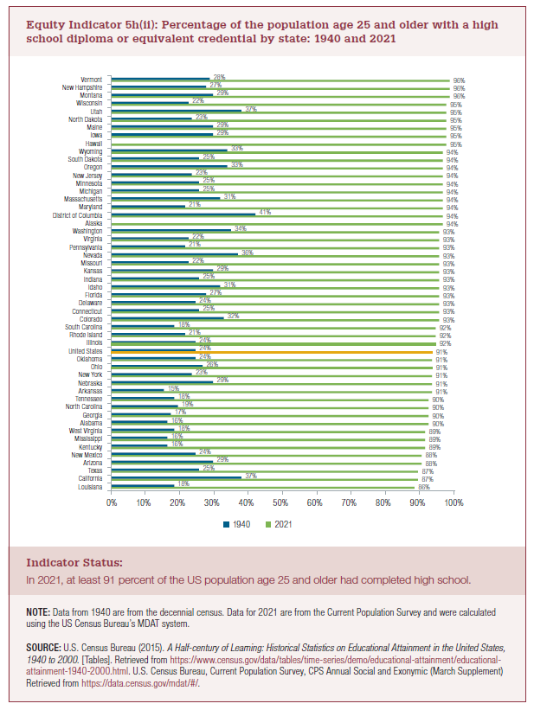
High School Diploma or Other Credential
 | 1940 | 2021
Louisiana | 18% | 86%
California | 37% | 87%
Texas | 25% | 87%
Arizona | 29% | 88%
New Mexico | 24% | 88%
Kentucky | 16% | 89%
Mississippi | 16% | 89%
West Virginia | 18% | 89%
Alabama | 16% | 90%
Georgia | 17% | 90%
North Carolina | 19% | 90%
Tennessee | 18% | 90%
Arkansas | 15% | 91%
Nebraska | 29% | 91%
New York | 23% | 91%
Ohio | 26% | 91%
Oklahoma | 24% | 91%
United States | 24% | 91%
Illinois | 24% | 92%
Rhode Island | 21% | 92%
South Carolina | 18% | 92%
Colorado | 32% | 93%
Connecticut | 25% | 93%
Delaware | 24% | 93%
Florida | 27% | 93%
Idaho | 31% | 93%
Indiana | 25% | 93%
Kansas | 29% | 93%
Missouri | 22% | 93%
Nevada | 36% | 93%
Pennsylvania | 21% | 93%
Virginia | 22% | 93%
Washington | 34% | 93%
Alaska |  | 94%
District of Columbia | 41% | 94%
Maryland | 21% | 94%
Massachusetts | 31% | 94%
Michigan | 25% | 94%
Minnesota | 25% | 94%
New Jersey | 23% | 94%
Oregon | 33% | 94%
South Dakota | 25% | 94%
Wyoming | 33% | 94%
Hawaii |  | 95%
Iowa | 29% | 95%
Maine | 29% | 95%
North Dakota | 23% | 95%
Utah | 37% | 95%
Wisconsin | 22% | 95%
Montana | 29% | 96%
New Hampshire | 27% | 96%
Vermont | 28% | 96%

2022 Indicator 5h(ii) Chart
 | 2021 | 1940
Louisiana | 86% | 18%
California | 87% | 37%
Texas | 87% | 25%
Arizona | 88% | 29%
New Mexico | 88% | 24%
Kentucky | 89% | 16%
Mississippi | 89% | 16%
West Virginia | 89% | 18%
Alabama | 90% | 16%
Georgia | 90% | 17%
North Carolina | 90% | 19%
Tennessee | 90% | 18%
Arkansas | 91% | 15%
Nebraska | 91% | 29%
New York | 91% | 23%
Ohio | 91% | 26%
Oklahoma | 91% | 24%
United States | 91% | 24%
Illinois | 92% | 24%
Rhode Island | 92% | 21%
South Carolina | 92% | 18%
Colorado | 93% | 32%
Connecticut | 93% | 25%
Delaware | 93% | 24%
Florida | 93% | 27%
Idaho | 93% | 31%
Indiana | 93% | 25%
Kansas | 93% | 29%
Missouri | 93% | 22%
Nevada | 93% | 36%
Pennsylvania | 93% | 21%
Virginia | 93% | 22%
Washington | 93% | 34%
Alaska | 94%
District of Columbia | 94% | 41%
Maryland | 94% | 21%
Massachusetts | 94% | 31%
Michigan | 94% | 25%
Minnesota | 94% | 25%
New Jersey | 94% | 23%
Oregon | 94% | 33%
South Dakota | 94% | 25%
Wyoming | 94% | 33%
Hawaii | 95%
Iowa | 95% | 29%
Maine | 95% | 29%
North Dakota | 95% | 23%
Utah | 95% | 37%
Wisconsin | 95% | 22%
Montana | 96% | 29%
...

