2022 Indi 5g(ii) Data&Image
Equity Indicator 5g(ii): Percentage of 2008 bachelor’s degrees completers awarded further degrees or certificates by 10 years after bachelor’s completion by level of parental education: Baccalaureate and Beyond (B&B) 2008/2018

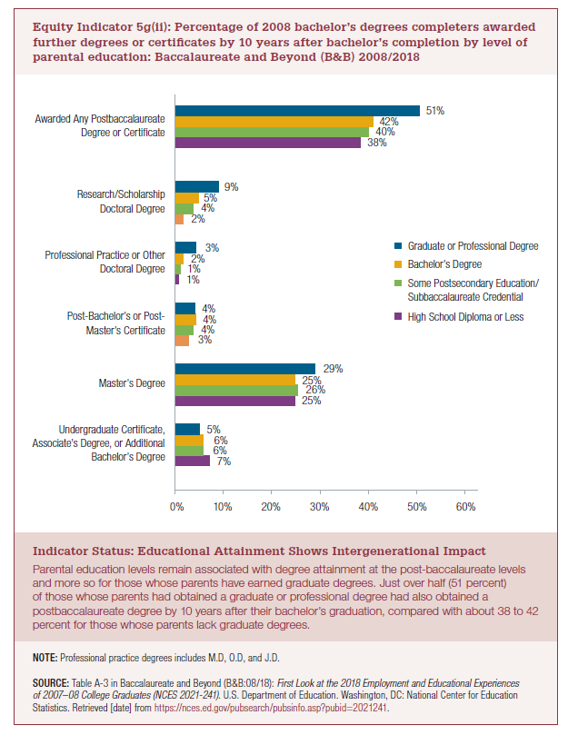
 | High School Diploma or Less | Some Postsecondary Education/ Subbaccalaureate Credential | Bachelor’s Degree | Graduate or Professional Degree
Undergraduate Certificate, Associate’s Degree, or Additional Bachelor’s Degree | 7% | 6% | 6% | 5%
Master’s Degree | 25% | 26% | 25% | 29%
Post-Bachelor’s or Post-Master’s Certificate | 3% | 4% | 4% | 4%
Professional Practice or Other Doctoral Degree | 1% | 1% | 2% | 3%
Research/Scholarship Doctoral Degree | 2% | 4% | 5% | 9%

Awarded Any Postbaccalaureate Degree or Certificate | 38% | 40% | 42% | 51%

2022 Indi 5g(ii) Chart
 | High School Diploma or Less | Some Postsecondary Education/ Subbaccalaureate Credential | Bachelor’s Degree | Graduate or Professional Degree
Undergraduate Certificate, Associate’s Degree, or Additional Bachelor’s Degree | 7% | 6% | 6% | 5%
Master’s Degree | 25% | 26% | 25% | 29%
Post-Bachelor’s or Post-Master’s Certificate | 3% | 4% | 4% | 4%
Professional Practice or Other Doctoral Degree | 1% | 1% | 2% | 3%
Research/Scholarship Doctoral Degree | 2% | 4% | 5% | 9%
Awarded Any Postbaccalaureate Degree or Certificate | 38% | 40% | 42% | 51%

