2022 Indi 5g(i) Data&Image
Equity Indicator 5g(i): Percentage of 2008 bachelor’s degrees completers awarded further degrees or certificates by 10 years after bachelor’s completion by race/ethnicity: Baccalaureate and Beyond (B&B) 2008/2018
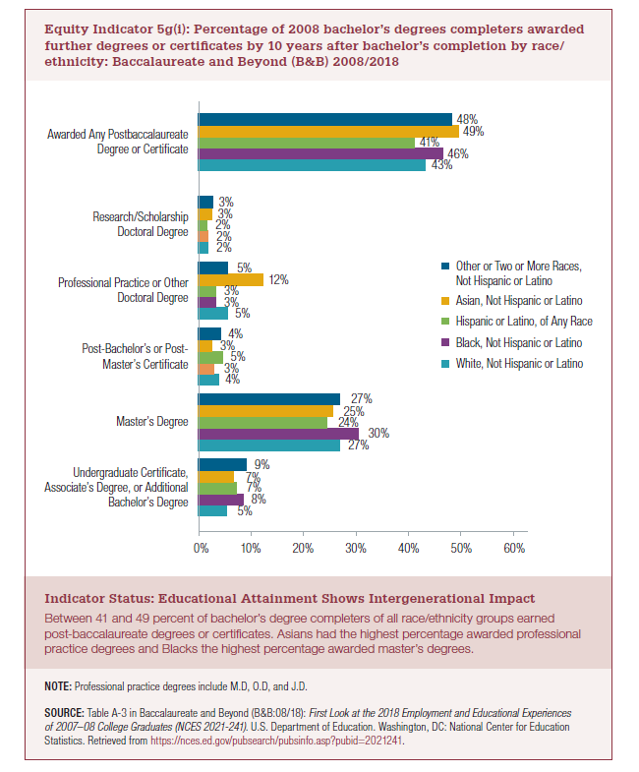
 | White, Not Hispanic or Latino | Black, Not Hispanic or Latino | Hispanic or Latino, of Any Race | Asian, Not Hispanic or Latino | Other or Two or More Races, Not Hispanic or Latino
Undergraduate Certificate, Associate’s Degree, or Additional Bachelor’s Degree | 5% | 8% | 7% | 7% | 9%
Master’s Degree | 27% | 30% | 24% | 25% | 27%
Post-Bachelor’s or Post-Master’s Certificate | 4% | 3% | 5% | 3% | 4%
Professional Practice or Other Doctoral Degree | 5% | 3% | 3% | 12% | 5%
Research/Scholarship Doctoral Degree | 2% | 2% | 2% | 3% | 3%
Awarded Any Postbaccalaureate Degree or Certificate | 43% | 46% | 41% | 49% | 48%

2022 Indicator 5g(i) Chart
 | White, Not Hispanic or Latino | Black, Not Hispanic or Latino | Hispanic or Latino, of Any Race | Asian, Not Hispanic or Latino | Other or Two or More Races, Not Hispanic or Latino
Undergraduate Certificate, Associate’s Degree, or Additional Bachelor’s Degree | 5% | 8% | 7% | 7% | 9%
Master’s Degree | 27% | 30% | 24% | 25% | 27%
Post-Bachelor’s or Post-Master’s Certificate | 4% | 3% | 5% | 3% | 4%
Professional Practice or Other Doctoral Degree | 5% | 3% | 3% | 12% | 5%
Research/Scholarship Doctoral Degree | 2% | 2% | 2% | 3% | 3%
Awarded Any Postbaccalaureate Degree or Certificate | 43% | 46% | 41% | 49% | 48%

