2022 Indi 5f(v) Data&Image
Equity Indicator 5f(v) Percentage of dependent students who received bachelor’s degrees in 2016 who were “unemployed” (not enrolled in further schooling, not employed, and in the labor force) at the time of the 1-year follow-up in 2017

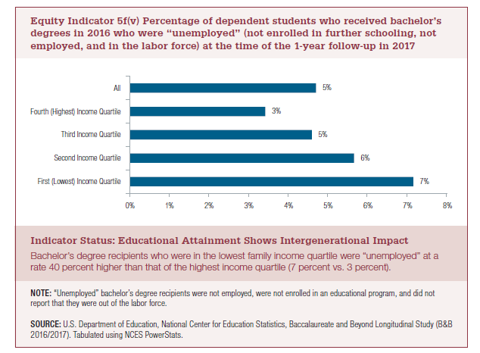
First (Lowest) Income Quartile | Second Income Quartile | Third Income Quartile | Fourth (Highest) Income Quartile | All
7% | 6% | 5% | 3% | 5%

2022 Indi 5f(v) Chart
First (Lowest) Income Quartile | 7%
Second Income Quartile | 6%
Third Income Quartile | 5%
Fourth (Highest) Income Quartile | 3%
All | 5%

