2022 Indi 5f(iv) Dat & Image
Equity Indicator 5f(iv): Average annualized income of 2015-16 dependent students who had a full-time job after bachelor’s degree completion by selected major field category by parental income (in constant 2020 dollars)

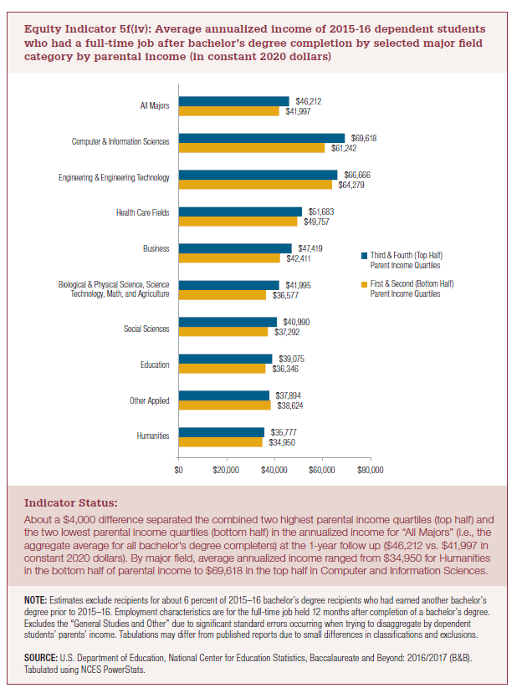
2016 to 2020 dollars

 | First & Second (Bottom Half) Parent Income Quartiles | Third & Fourth (Top Half) Parent Income Quartiles
Humanities | $34,950 | $35,777
Other Applied | $38,624 | $37,894
Education | $36,346 | $39,075
Social Sciences | $37,292 | $40,990
Biological & Physical Science, Science Technology, Math, and Agriculture | $36,577 | $41,995
Business | $42,411 | $47,419
Health Care Fields | $49,757 | $51,683
Engineering & Engineering Technology | $64,279 | $66,666
Computer & Information Sciences | $61,242 | $69,618
All Majors | $41,997 | $46,212

2022 Indi 5f(iv) Chart
 | First & Second (Bottom Half) Parent Income Quartiles | Third & Fourth (Top Half) Parent Income Quartiles
Humanities | $34,950 | $35,777
Other Applied | $38,624 | $37,894
Education | $36,346 | $39,075
Social Sciences | $37,292 | $40,990
Biological & Physical Science, Science Technology, Math, and Agriculture | $36,577 | $41,995
Business | $42,411 | $47,419
Health Care Fields | $49,757 | $51,683
Engineering & Engineering Technology | $64,279 | $66,666
Computer & Information Sciences | $61,242 | $69,618
All Majors | $41,997 | $46,212

