2022 Indi 5f(iii) Data& Image
Equity Indicator 5f(iii): Average annualized income for dependent students who received bachelor’s degrees in 2016 who were not enrolled in education and who were employed full-time at the 1-year follow-up in 2017 by parents’ income quartile (in 2020 constant dollars)

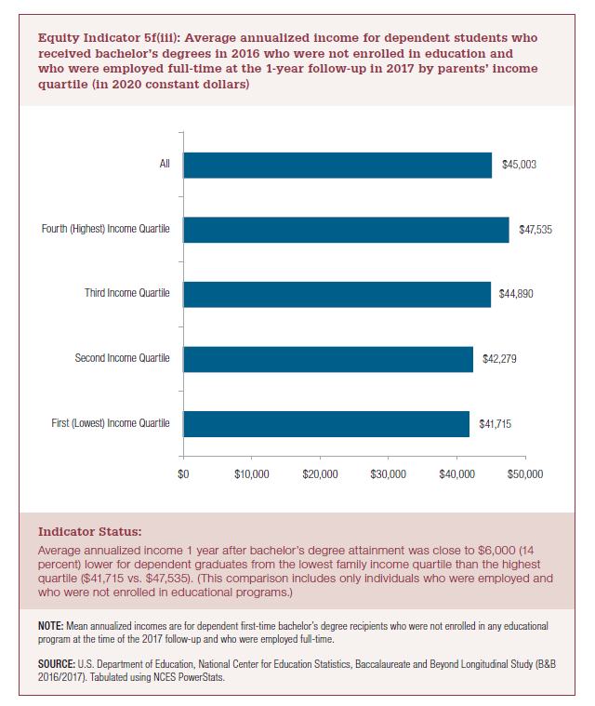
2016/2017
First (Lowest) Income Quartile | Second Income Quartile | Third Income Quartile | Fourth (Highest) Income Quartile | All
$41,715 | $42,279 | $44,890 | $47,535 | $45,003

2022 Indi 5f(iii) Chart
First (Lowest) Income Quartile | $41,715
Second Income Quartile | $42,279
Third Income Quartile | $44,890
Fourth (Highest) Income Quartile | $47,535
All | $45,003

