2022 Indi 5f(i) Data&Image
Equity Indicator 5f(i): Percentage of 2016 bachelor’s degrees completers who had enrolled in graduate school or other further schooling programs 1 year after graduation (2017) by dependency status: Baccalaureate and Beyond Longitudinal Study (B&B 2016/2017)

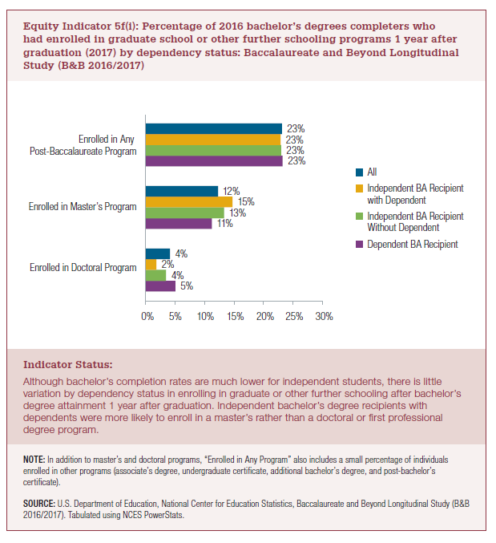
 | Enrolled in Doctoral Program | Enrolled in Master's Program | Enrolled in Any Post-Baccalaureate Program
Dependent BA Recipient | 5% | 11% | 23%
Independent BA Recipient Without Dependent | 4% | 13% | 23%
Independent BA Recipient with Dependent | 2% | 15% | 23%
All | 4% | 12% | 23%

2022 Indi 5f(i) Chart
 | Dependent BA Recipient | Independent BA Recipient Without Dependent | Independent BA Recipient with Dependent | All
Enrolled in Doctoral Program | 5% | 4% | 2% | 4%
Enrolled in Master's Program | 11% | 13% | 15% | 12%
Enrolled in Any Post-Baccalaureate Program | 23% | 23% | 23% | 23%

