2022 Indi 5e(ii) Data&Chart
Equity Indicator 5e(ii): Percentage of 2016 bachelor’s degree recipients who were first-generation and percentage distribution of bachelor’s degrees recipients by highest education attained by either parent by race/ethnicity

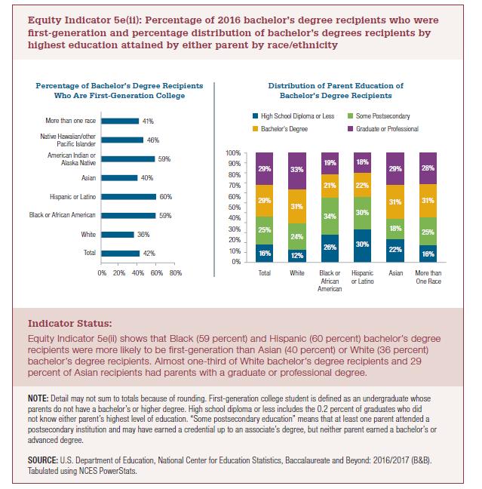
Distribution of Parent Education of Bachelor’s Degree Recipients
 | High School Diploma or Less | Some Postsecondary | Bachelor's Degree | Graduate or Professional
Total | 16% | 25% | 29% | 29%
White | 12% | 24% | 31% | 33%
Black or African American | 26% | 34% | 21% | 19%
Hispanic or Latino | 30% | 30% | 22% | 18%
Asian | 22% | 18% | 31% | 29%
More than one race | 16% | 25% | 31% | 28%

Percentage of Bachelor’s Degree Recipients Who Are First-Generation College Distribution
Total | 42%
White | 36%
Black or African American | 59% |  | 67%
Hispanic or Latino | 60% |  | 67%
Asian | 40%
American Indian or Alaska Native | 59%
Native Hawaiian/other Pacific Islander | 46%
More than one race | 41%

2022 Indi 5e(ii) Chart 1
 | No Degree
Total | 0.419
White | 0.357
Black or African American | 0.594
Hispanic or Latino | 0.598
Asian | 0.397
American Indian or Alaska Native | 0.586
Native Hawaiian/other Pacific Islander | 0.459
More than one race | 0.411

2022 Indi 5e(ii) Chart 2
 | High School Diploma or Less | Some Postsecondary | Bachelor's Degree | Graduate or Professional
Total | 16% | 25% | 29% | 29%
White | 12% | 24% | 31% | 33%
Black or African American | 26% | 34% | 21% | 19%
Hispanic or Latino | 30% | 30% | 22% | 18%
Asian | 22% | 18% | 31% | 29%
More than one race | 16% | 25% | 31% | 28%

