2022 Indi 5e(i) Data & Image
Equity Indicator 5e(i): Percentage distribution of first-time bachelor’s degree recipients by highest education attained by either parent: 2016
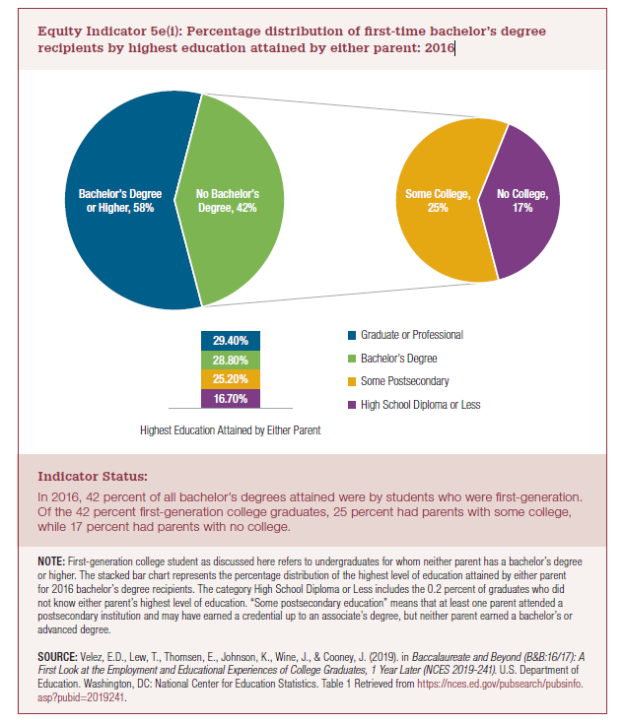

High School Diploma or Less | 16.70% |  | No Bachelor's Degree | 42%
Some Postsecondary | 25.20% |  | Bachelor's Degree or Higher | 58%
Bachelor's Degree | 28.80%
Graduate or Professional | 29.40% |  | Some College | 25% | 42%
 | 100.10% | 58.20% | No College | 17%

2022 Indi 5e(i) Chart1
Bachelor's Degree or Higher | 0.582
Some College | 0.2524
No College | 0.167

2022 Indi 5e(i) Chart2
Percentage distribution of first-time bachelor's degree recipients by highest education attained by either parent
High School Diploma or Less | 0.167
Some Postsecondary | 0.252
Bachelor's Degree | 0.288
Graduate or Professional | 0.294

2022 Indi 5e(i) Chart3
 | High School Diploma or Less | Some Postsecondary | Bachelor's Degree | Graduate or Professional
Highest Education Attained by Either Parent | 0.167 | 0.252 | 0.288 | 0.294

