2022 Ind 5d(ii) Data&Image
Equity Indicator 5d(ii): Distributions of master’s and doctoral degrees conferred to U.S. citizens and distribution of the civilian population by race/ethnicity: 1980 and 2020

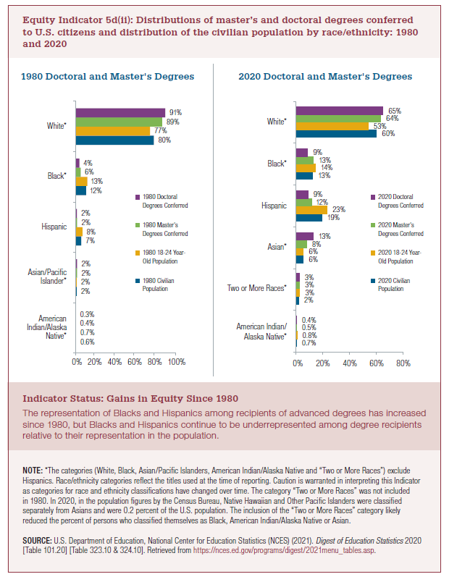
 | 1980 Civilian Population | 1980 18-24 Year-Old Population | 1980 Master's Degrees Conferred | 1980 Doctoral Degrees Conferred
American Indian/Alaska Native | 0.6% | 0.7% | 0.4% | 0.3%
Asian* | 2% | 2% | 2% | 2%
Hispanic | 7% | 8% | 2% | 2%
Black* | 12% | 13% | 6% | 4%
White* | 80% | 77% | 89% | 91%
 | 2019 Civilian Population | 2019 18-24 Year Old Population | 2019 Master's Degrees Conferred | 2019 Doctoral Degrees Conferred
Two or More Races* | 2% | 3% | 3% | 3%
American Indian/Alaska Native* | 0.7% | 0.8% | 0.5% | 0.4%
Asian* | 6% | 6% | 8% | 13%
Hispanic | 19% | 23% | 11% | 9%
Black* | 13% | 14% | 13% | 9%
White* | 60% | 53% | 64% | 66%

 | 2020 Civilian Population | 2020 18-24 Year Old Population | 2020 Master's Degrees Conferred | 2020 Doctoral Degrees Conferred | Master's Parity | Doctoral Parity
Pacific Islander | 0.2% | 0.2% | 0.2% | 0.2% | 118% | 91%
American Indian/ Alaska Native | 0.7% | 0.8% | 0.5% | 0.4% | 60% | 48%
Two or more races | 2% | 3% | 3% | 3% | 95% | 101%
Asian | 5.8% | 5.7% | 7.5% | 12.8% | 131% | 224%
Asian/Pacific Islander | 6.0% | 5.9% | 8% | 13.0% | 131% | 220%
Hispanic | 19% | 23% | 12% | 9% | 52% | 39%
Black | 13% | 14% | 13% | 9% | 94% | 68%
White | 60% | 53% | 64% | 65% | 120% | 123%

2022 Ind 5d(ii a) 1980 chart
1980 Doctoral and Master's
 | 1980 Civilian Population | 1980 18-24 Year-Old Population | 1980 Master's Degrees Conferred | 1980 Doctoral Degrees Conferred
American Indian/Alaska Native | 1% | 1% | 0% | 0%
Asian* | 2% | 2% | 2% | 2%
Hispanic | 7% | 8% | 2% | 2%
Black* | 12% | 13% | 6% | 4%
White* | 80% | 77% | 89% | 91%

2022 Indi 5d(ii b) 2020 Chart
2020 Doctoral and Master's
 | 2020 Civilian Population | 2020 18-24 Year Old Population | 2020 Master's Degrees Conferred | 2020 Doctoral Degrees Conferred
American Indian/ Alaska Native | 0.7% | 0.8% | 0.5% | 0.4%
Two or more races | 2.3% | 3.3% | 3.1% | 3.3%
Asian | 5.8% | 5.7% | 7.5% | 12.8%
Hispanic | 18.7% | 23.1% | 12.0% | 8.9%
Black | 12.6% | 14.0% | 13.1% | 9.5%
White | 59.7% | 52.9% | 63.5% | 64.9%

