2022 Indi 5d(i) Data&Image
Equity Indicator 5d(i): Distributions of associate’s and bachelor’s degrees conferred to U.S. citizens and distribution of the civilian population by race/ethnicity: 1980 and 2020

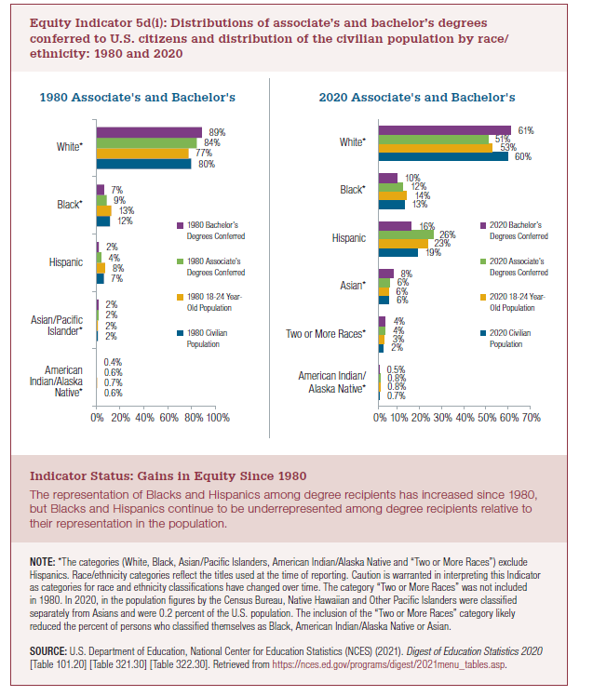
 | 1980 Civilian Population | 1980 18-24 Year-Old Population | 1980 Associate's Conferred | 1980 Bachelor's Conferred
American Indian/Alaska Native | 0.6% | 0.7% | 0.6% | 0.4%
Asian/Pacific Islander | 2% | 2% | 2% | 2%
Hispanic | 7% | 8% | 4% | 2%
Black* | 12% | 13% | 9% | 7%
White* | 80% | 77% | 84% | 89%
 | 2019 Civilian Population | 2019 18-24 Year Old Population | 2019 Associate's Conferred | 2019 Bachelor's Conferred | parity bachelor | parity associate
Two or More Races* | 2% | 3% | 4% | 4% | 122% | 113%
American Indian/Alaska Native* | 0.7% | 0.80% | 0.9% | 0.5% | 63% | 113%
Asian | 6% | 6% | 6% | 8% | 141% | 109%
Hispanic | 19% | 23% | 24% | 15% | 65% | 107%
Black* | 13% | 14% | 12% | 10% | 73% | 88%
White* | 60% | 53% | 52% | 62% | 117% | 99%

 | 2020 Civilian Population | 2020 18-24 Year Old Population | 2020 Associate's Degrees Conferred | 2020 Bachelor's Degrees Conferred | parity bachelor | parity associate
Pacific Islander | 0.2% | 0.2% | 0.3% | 0.2% | 115% | 146%
American Indian/ Alaska Native | 0.7% | 0.8% | 0.8% | 0.5% | 57% | 101%
Two or more races | 2% | 3% | 4% | 4% | 122% | 116%
Asian | 5.8% | 5.7% | 6% | 8.1% | 142% | 108%
*Asian/Pacific Islander | 6.0% | 5.9% | 6% | 8.4% | 141% | 110%
Hispanic | 19% | 23% | 26% | 16% | 68% | 111%
Black | 13% | 14% | 12% | 10% | 73% | 86%
White | 60% | 53% | 51% | 61% | 116% | 97%

2022 Indi 5d(i a) 1980 Chart
1980 Associate's and Bachelor's
 | 1980 Civilian Population | 1980 18-24 Year-Old Population | 1980 Associate's Conferred | 1980 Bachelor's Conferred
American Indian/Alaska Native | 1% | 1% | 1% | 0%
Asian/Pacific Islander | 2% | 2% | 2% | 2%
Hispanic | 7% | 8% | 4% | 2%
Black* | 12% | 13% | 9% | 7%
White* | 80% | 77% | 84% | 89%

2022 Indi 5d(i b) chart
2020 Associate's and Bachelor's
 | 2020 Civilian Population | 2020 18-24 Year Old Population | 2020 Associate's Degrees Conferred | 2020 Bachelor's Degrees Conferred
American Indian/ Alaska Native | 0.7% | 0.8% | 0.8% | 0.5%
Two or more races | 2.3% | 3.3% | 3.8% | 4.0%
Asian | 5.8% | 5.7% | 6.2% | 8.1%
Hispanic | 18.7% | 23.1% | 25.6% | 15.7%
Black | 12.6% | 14.0% | 12.0% | 10.2%
White | 59.7% | 52.9% | 51.2% | 61.3%

