2022 Indi 5c(iv) Data&Image
Equity Indicator 5c(iv): Enrollment and degree status by 2015 (4-year follow-up) and 2017 (6-year follow-up) of students who first enrolled in a 4-year or 2-year institution in 2011-12 by dependency status

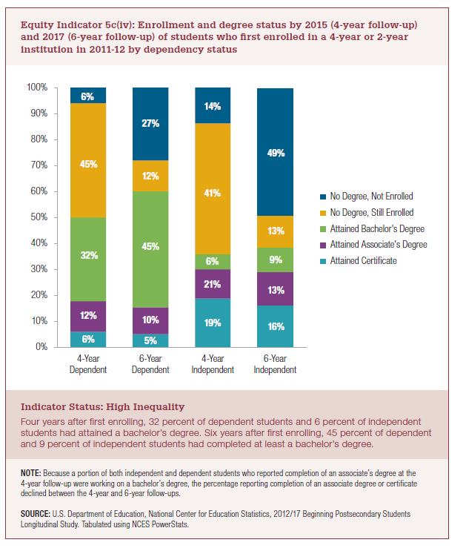
 | Attained Certificate | Attained Associate's Degree | Attained Bachelor's Degree | No Degree, Still Enrolled | No Degree, Not Enrolled
4-Year Dependent | 6% | 12% | 32% | 45% | 6%
6-Year Dependent | 5% | 10% | 45% | 12% | 27%

4-Year Independent | 19% | 21% | 6% | 41% | 14%
6-Year Independent | 16% | 13% | 9% | 13% | 49%

2022 Indi 5c(iv) Chart
 | Attained Certificate | Attained Associate's Degree | Attained Bachelor's Degree | No Degree, Still Enrolled | No Degree, Not Enrolled
4-Year Dependent | 6% | 12% | 32% | 45% | 6%
6-Year Dependent | 5% | 10% | 45% | 12% | 27%
4-Year Independent | 19% | 21% | 6% | 41% | 14%
6-Year Independent | 16% | 13% | 9% | 13% | 49%

