2022 Indi 5c(iii) Data & Image
Equity Indicator 5c(iii): Percentage of dependent students who first enrolled in a postsecondary education institution in academic year 2011-12 who completed a bachelor’s degree or higher within 6 years, by low-income and first-generation status and institutional level of initial enrollment: 2012/17

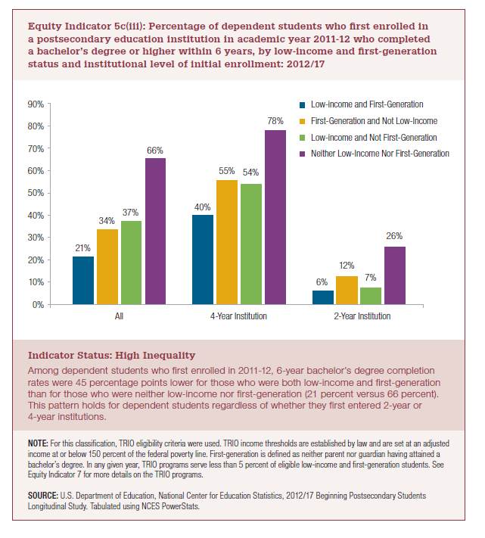
 | ALL | 4-Year Institution | 2-Year Institution
Low-Income and First-Generation | 21% | 40% | 6%
First-Generation and Not Low-Income | 34% | 55% | 12%
Low-Income and Not First-Generation | 37% | 54% | 7%
Neither Low-Income Nor First- Generation | 66% | 78% | 26%

2022 Indic 5c(iii) Chart
 | Low-Income and First-Generation | First-Generation and Not Low-Income | Low-Income and Not First-Generation | Neither Low-Income Nor First- Generation
ALL | 21% | 34% | 37% | 66%
4-Year Institution | 40% | 55% | 54% | 78%
2-Year Institution | 6% | 12% | 7% | 26%

