2022 Indi 5c(ii) Data & Image
Equity Indicator 5c(ii): Percentage of dependent first-time students who obtained a bachelor’s degree or higher within 5 or 6 years of first enrolling in a 4-year or 2-year postsecondary institution by parents’ family income quartile: BPS:1989-90 (1994 follow-up), BPS:1995-96 (2001 follow-up), BPS:2003-04 (2009 follow-up), and BPS:2011-12 (2017 follow-up)

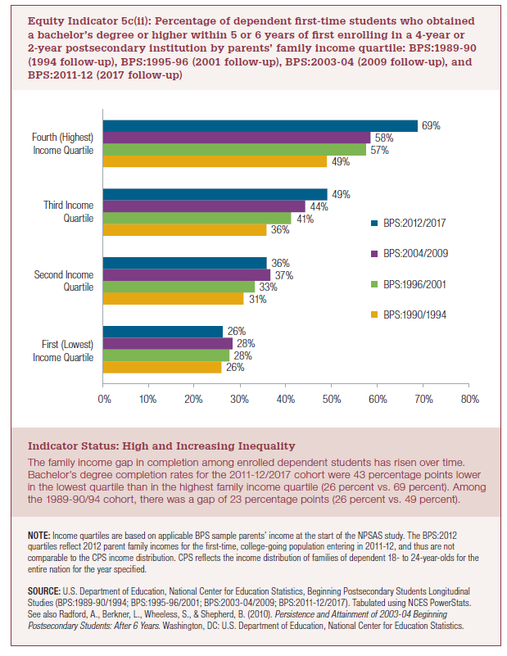
 | First (Lowest) Income Quartile | Second Income Quartile | Third Income Quartile | Fourth (Highest) Income Quartile
BPS:1990/1994 | 26% | 31% | 36% | 49%
BPS:1996/2001 | 28% | 33% | 41% | 57%
BPS:2004/2009 | 28% | 37% | 44% | 58%
BPS:2012/2017 | 26% | 36% | 49% | 69%

2022 Indi 5c(ii) Chart
 | BPS:1990/1994 | BPS:1996/2001 | BPS:2004/2009 | BPS:2012/2017
First (Lowest) Income Quartile | 26% | 28% | 28% | 26%
Second Income Quartile | 31% | 33% | 37% | 36%
Third Income Quartile | 36% | 41% | 44% | 49%
Fourth (Highest) Income Quartile | 49% | 57% | 58% | 69%

