2022 Indi 5c(i) Data & Image
Equity Indicator 5c(i): Percentage of first-time students who obtained a bachelor’s degree or higher within 5 or 6 years of first enrolling in a 4-year or 2-year institution by dependency status: BPS:1989-90 (1994 follow-up), BPS:1995-96 (2001 follow-up), BPS:2003-04 (2009 follow-up), and BPS:2011-12 (2017 follow-up)

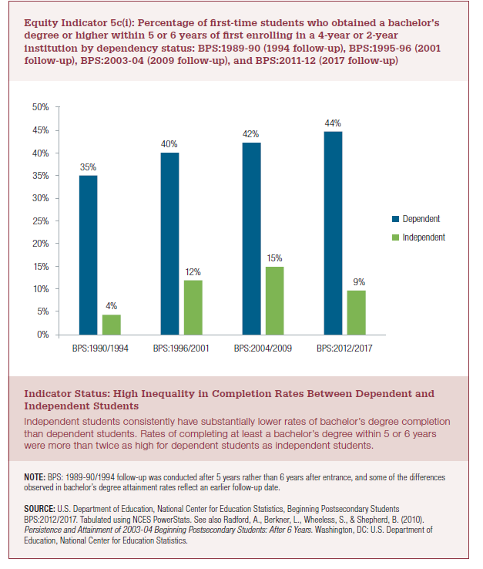
Completed BA Degree within 6 Years
 | Dependent | Independent
BPS:1990/1994 | 35% | 4%
BPS:1996/2001 | 40% | 12%
BPS:2004/2009 | 42% | 15%
BPS:2012/2017 | 44% | 9%

2022 Indi 5c(i) Chart
 | Dependent | Independent
BPS:1990/1994 | 35% | 4%
BPS:1996/2001 | 40% | 12%
BPS:2004/2009 | 42% | 15%
BPS:2012/2017 | 44% | 9%

