2022 Ind 5a(ii) Data & Image
Equity Indicator 5a(ii) Estimated distribution of bachelor’s degrees attained by dependent family members by age 24 by family income quartile: 1970 to 2020

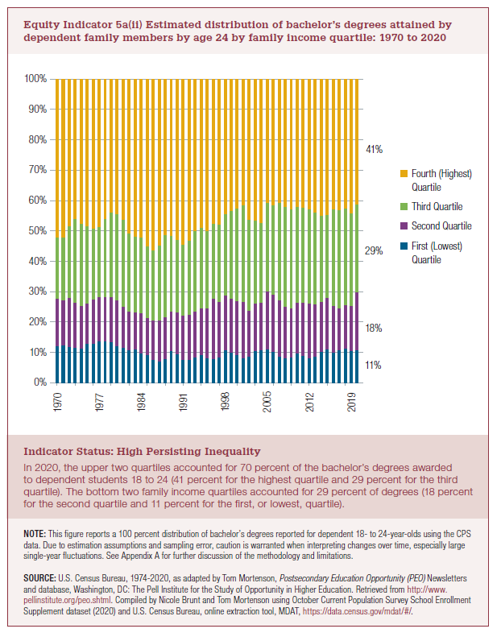
Year | First (Lowest) Quartile | Second Quartile | Third Quartile | Fourth (Highest) Quartile
1970 | 12% | 16% | 20% | 52%
1971 | 12% | 15% | 21% | 52%
1972 | 12% | 16% | 24% | 48%
1973 | 12% | 15% | 28% | 46%
1974 | 11% | 14% | 27% | 48%
1975 | 13% | 13% | 26% | 48%
1976 | 13% | 14% | 23% | 49%
1977 | 14% | 14% | 23% | 49%
1978 | 14% | 15% | 26% | 46%
1979 | 13% | 15% | 28% | 44%
1980 | 12% | 15% | 28% | 44%
1981 | 12% | 13% | 29% | 46%
1982 | 11% | 13% | 26% | 51%
1983 | 11% | 12% | 25% | 52%
1984 | 10% | 13% | 25% | 52%
1985 | 9% | 12% | 24% | 55%
1986 | 7% | 13% | 23% | 56%
1987 | 7% | 13% | 25% | 55%
1988 | 8% | 14% | 27% | 51%
1989 | 11% | 13% | 25% | 52%
1990 | 9% | 14% | 24% | 53%
1991 | 8% | 15% | 23% | 54%
1992 | 8% | 15% | 24% | 53%
1993 | 8% | 15% | 27% | 50%
1994 | 9% | 15% | 27% | 49%
1995 | 8% | 17% | 25% | 50%
1996 | 8% | 20% | 25% | 48%
1997 | 9% | 18% | 25% | 48%
1998 | 11% | 18% | 27% | 44%
1999 | 10% | 18% | 29% | 43%
2000 | 9% | 18% | 30% | 43%
2001 | 8% | 18% | 32% | 42%
2002 | 9% | 15% | 30% | 46%
2003 | 11% | 16% | 27% | 47%
2004 | 11% | 16% | 26% | 47%
2005 | 11% | 19% | 29% | 41%
2006 | 10% | 19% | 29% | 42%
2007 | 9% | 19% | 32% | 41%
2008 | 8% | 17% | 33% | 42%
2009 | 8% | 16% | 33% | 43%
2010 | 10% | 17% | 32% | 42%
2011 | 9% | 17% | 32% | 42%
2012 | 8% | 18% | 31% | 43%
2013 | 9% | 17% | 30% | 44%
2014 | 10% | 16% | 28% | 45%
2015 | 10% | 16% | 29% | 44%
2016 | 11% | 15% | 32% | 42%
2017 | 11% | 14% | 32% | 43%
2018 | 12% | 16% | 30% | 43%
2019 | 11% | 16% | 29% | 44%
2020 | 11% | 18% | 29% | 41%

highest 2020 to 1970 | 3rd Quartile 2020 to 1970 | 2nd Quartile 2020 to 1970 | Bottom(Lowest)2020 to 1970
-5% | 17% | 43% | -21%

2022 Indi 5a(ii) Chart
 | First (Lowest) Quartile | Second Quartile | Third Quartile | Fourth (Highest) Quartile
1970 | 12% | 16% | 20% | 52%
1971 | 12% | 15% | 21% | 52%
1972 | 12% | 16% | 24% | 48%
1973 | 12% | 15% | 28% | 46%
1974 | 11% | 14% | 27% | 48%
1975 | 13% | 13% | 26% | 48%
1976 | 13% | 14% | 23% | 49%
1977 | 14% | 14% | 23% | 49%
1978 | 14% | 15% | 26% | 46%
1979 | 13% | 15% | 28% | 44%
1980 | 12% | 15% | 28% | 44%
1981 | 12% | 13% | 29% | 46%
1982 | 11% | 13% | 26% | 51%
1983 | 11% | 12% | 25% | 52%
1984 | 10% | 13% | 25% | 52%
1985 | 9% | 12% | 24% | 55%
1986 | 7% | 13% | 23% | 56%
1987 | 7% | 13% | 25% | 55%
1988 | 8% | 14% | 27% | 51%
1989 | 11% | 13% | 25% | 52%
1990 | 9% | 14% | 24% | 53%
1991 | 8% | 15% | 23% | 54%
1992 | 8% | 15% | 24% | 53%
1993 | 8% | 15% | 27% | 50%
1994 | 9% | 15% | 27% | 49%
1995 | 8% | 17% | 25% | 50%
1996 | 8% | 20% | 25% | 48%
1997 | 9% | 18% | 25% | 48%
1998 | 11% | 18% | 27% | 44%
1999 | 10% | 18% | 29% | 43%
2000 | 9% | 18% | 30% | 43%
2001 | 8% | 18% | 32% | 42%
2002 | 9% | 15% | 30% | 46%
2003 | 11% | 16% | 27% | 47%
2004 | 11% | 16% | 26% | 47%
2005 | 11% | 19% | 29% | 41%
2006 | 10% | 19% | 29% | 42%
2007 | 9% | 19% | 32% | 41%
2008 | 8% | 17% | 33% | 42%
2009 | 8% | 16% | 33% | 43%
2010 | 10% | 17% | 32% | 42%
2011 | 9% | 17% | 32% | 42%
2012 | 8% | 18% | 31% | 43%
2013 | 9% | 17% | 30% | 44%
2014 | 10% | 16% | 28% | 45%
2015 | 10% | 16% | 29% | 44%
2016 | 11% | 15% | 32% | 42%
2017 | 11% | 14% | 32% | 43%
2018 | 12% | 16% | 30% | 43%
2019 | 11% | 16% | 29% | 44%
...

