2022 Indi 5a(i) Data & Image
Equity Indicator 5a(i): Estimated bachelor’s degree attainment by age 24 for dependent family members by family income quartile: 1970 to 2020

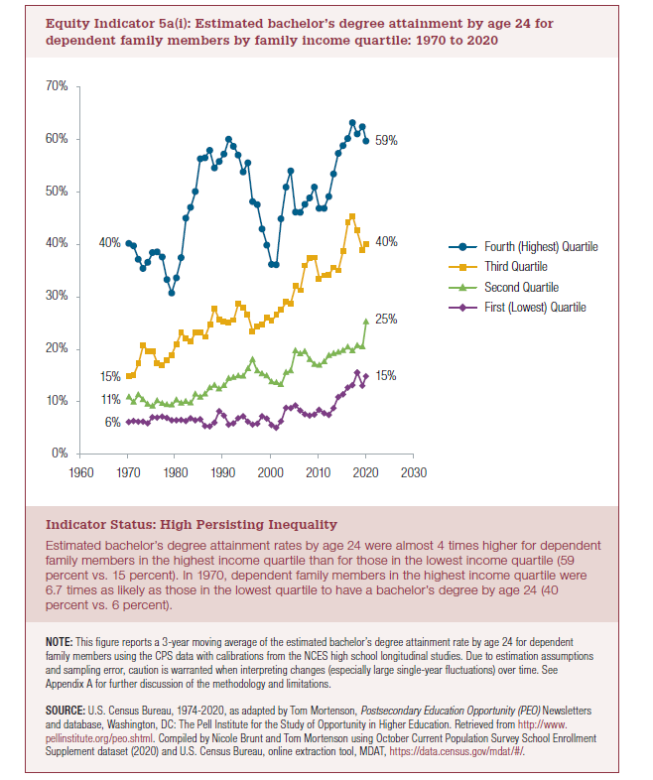
Year | 4th (Highest) | 3rd Quartile | 2nd Quartile | Bottom(Lowest)
1970 | 40% | 15% | 11% | 6%
1971 | 40% | 15% | 10% | 6%
1972 | 37% | 17% | 11% | 6%
1973 | 35% | 21% | 10% | 6%
1974 | 37% | 20% | 9% | 6%
1975 | 38% | 20% | 9% | 7%
1976 | 39% | 17% | 10% | 7%
1977 | 38% | 17% | 10% | 7%
1978 | 33% | 18% | 9% | 7%
1979 | 31% | 19% | 9% | 6%
1980 | 34% | 21% | 10% | 6%
1981 | 37% | 23% | 10% | 7%
1982 | 45% | 22% | 10% | 6%
1983 | 47% | 22% | 10% | 7%
1984 | 50% | 23% | 11% | 6%
1985 | 56% | 23% | 11% | 7%
1986 | 57% | 22% | 11% | 5%
1987 | 58% | 25% | 13% | 5%
1988 | 55% | 28% | 13% | 6%
1989 | 56% | 26% | 12% | 8%
1990 | 57% | 25% | 13% | 7%
1991 | 60% | 25% | 14% | 6%
1992 | 59% | 26% | 15% | 6%
1993 | 57% | 29% | 15% | 7%
1994 | 54% | 28% | 15% | 7%
1995 | 56% | 27% | 16% | 6%
1996 | 48% | 23% | 18% | 6%
1997 | 48% | 24% | 16% | 6%
1998 | 43% | 25% | 15% | 7%
1999 | 40% | 26% | 15% | 7%
2000 | 36% | 26% | 14% | 6%
2001 | 36% | 27% | 14% | 5%
2002 | 45% | 28% | 13% | 6%
2003 | 51% | 29% | 16% | 9%
2004 | 54% | 29% | 16% | 9%
2005 | 46% | 32% | 20% | 9%
2006 | 46% | 31% | 19% | 8%
2007 | 48% | 36% | 20% | 8%
2008 | 49% | 37% | 18% | 7%
2009 | 51% | 37% | 17% | 8%
2010 | 47% | 33% | 17% | 8%
2011 | 47% | 34% | 18% | 8%
2012 | 49% | 34% | 19% | 8%
2013 | 53% | 36% | 19% | 9%
2014 | 57% | 35% | 19% | 11%
2015 | 59% | 39% | 20% | 11%
2016 | 60% | 44% | 20% | 13%
2017 | 63% | 45% | 20% | 13%
2018 | 61% | 42% | 21% | 15%
2019 | 62% | 39% | 21% | 13% | 49%
2020 | 59% | 40% | 25% | 15% | 45%

highest 2020 to 1970 | 3rd Quartile 2020 to 1970 | 2nd Quartile 2020 to 1970 | Bottom(Lowest)2020 to 1970
48% | 169% | 129% | 135%

2022 Indi 5a(i) Chart
 | 4th (Highest) | 3rd Quartile | 2nd Quartile | Bottom(Lowest)
1970 | 40% | 15% | 11% | 6%
1971 | 40% | 15% | 10% | 6%
1972 | 37% | 17% | 11% | 6%
1973 | 35% | 21% | 10% | 6%
1974 | 37% | 20% | 9% | 6%
1975 | 38% | 20% | 9% | 7%
1976 | 39% | 17% | 10% | 7%
1977 | 38% | 17% | 10% | 7%
1978 | 33% | 18% | 9% | 7%
1979 | 31% | 19% | 9% | 6%
1980 | 34% | 21% | 10% | 6%
1981 | 37% | 23% | 10% | 7%
1982 | 45% | 22% | 10% | 6%
1983 | 47% | 22% | 10% | 7%
1984 | 50% | 23% | 11% | 6%
1985 | 56% | 23% | 11% | 7%
1986 | 57% | 22% | 11% | 5%
1987 | 58% | 25% | 13% | 5%
1988 | 55% | 28% | 13% | 6%
1989 | 56% | 26% | 12% | 8%
1990 | 57% | 25% | 13% | 7%
1991 | 60% | 25% | 14% | 6%
1992 | 59% | 26% | 15% | 6%
1993 | 57% | 29% | 15% | 7%
1994 | 54% | 28% | 15% | 7%
1995 | 56% | 27% | 16% | 6%
1996 | 48% | 23% | 18% | 6%
1997 | 48% | 24% | 16% | 6%
1998 | 43% | 25% | 15% | 7%
1999 | 40% | 26% | 15% | 7%
2000 | 36% | 26% | 14% | 6%
2001 | 36% | 27% | 14% | 5%
2002 | 45% | 28% | 13% | 6%
2003 | 51% | 29% | 16% | 9%
2004 | 54% | 29% | 16% | 9%
2005 | 46% | 32% | 20% | 9%
2006 | 46% | 31% | 19% | 8%
2007 | 48% | 36% | 20% | 8%
2008 | 49% | 37% | 18% | 7%
2009 | 51% | 37% | 17% | 8%
2010 | 47% | 33% | 17% | 8%
2011 | 47% | 34% | 18% | 8%
2012 | 49% | 34% | 19% | 8%
2013 | 53% | 36% | 19% | 9%
2014 | 57% | 35% | 19% | 11%
2015 | 59% | 39% | 20% | 11%
2016 | 60% | 44% | 20% | 13%
2017 | 63% | 45% | 20% | 13%
2018 | 61% | 42% | 21% | 15%
2019 | 62% | 39% | 21% | 13%
...

