2022 Indi 4h(ii) Data & Image
Indicator 4h(ii) Financial and Personal Impacts of COVID-19: Percentage of undergraduates who experienced various financial and personal disruptions or changes due to COVID-19, by type of disruption or change by dependency status: NPSAS:20 (Spring 2020)

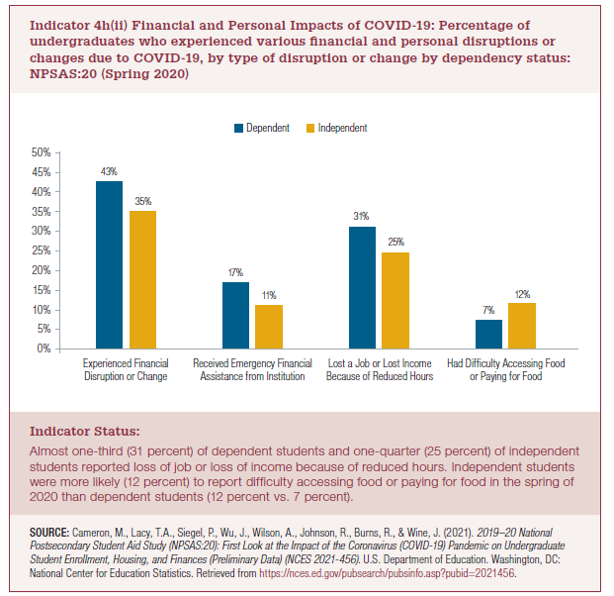
Dependency Status | Experienced financial disruption or change | Received emergency financial assistance from institution | Lost a job or lost income because of reduced hours | Had difficulty accessing food or paying for food
Dependent | 43% | 17% | 31% | 7%
Independent | 35% | 11% | 25% | 12%

2022 Ind 4h(ii) Chart
 | Dependent | Independent
Experienced financial disruption or change | 43% | 35%
Received emergency financial assistance from institution | 17% | 11%
Lost a job or lost income because of reduced hours | 31% | 25%
Had difficulty accessing food or paying for food | 7% | 12%

