2022 Indi 4h(i) Data & Image
Indicator 4h(i) Financial and Personal Impacts of COVID-19: Percentage of undergraduates who experienced various financial and personal disruptions or changes due to COVID-19, by type of disruption or change by race/ethnicity: NPSAS:20 (Spring 2020)

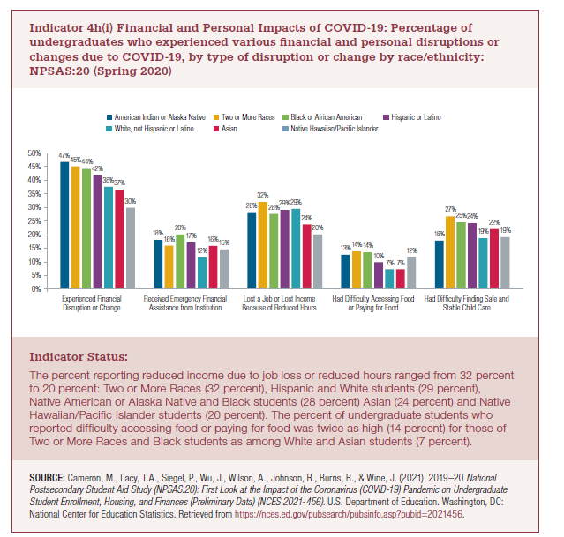
Race/Ethnicity | Experienced financial disruption or change | Received emergency financial assistance from institution | Lost a job or lost income because of reduced hours | Had difficulty accessing food or paying for food | Had difficulty finding safe and stable child care¹
American Indian or Alaska Native | 47% | 18% | 28% | 13% | 18%
Two or More Races | 45% | 16% | 32% | 14% | 27%
Black or African American | 44% | 20% | 28% | 14% | 25%
Hispanic or Latino | 42% | 17% | 29% | 10% | 24%
White, not Hispanic or Latino | 38% | 12% | 29% | 7% | 19%
Asian | 37% | 16% | 24% | 7% | 22%
Native Hawaiian/Pacific Islander | 30% | 15% | 20% | 12% | 19%

2022 Ind 4h(i) Chart
 | American Indian or Alaska Native | Two or More Races | Black or African American | Hispanic or Latino | White, not Hispanic or Latino | Asian | Native Hawaiian/Pacific Islander
Experienced financial disruption or change | 47% | 45% | 44% | 42% | 38% | 37% | 30%
Received emergency financial assistance from institution | 18% | 16% | 20% | 17% | 12% | 16% | 15%
Lost a job or lost income because of reduced hours | 28% | 32% | 28% | 29% | 29% | 24% | 20%
Had difficulty accessing food or paying for food | 13% | 14% | 14% | 10% | 7% | 7% | 12%
Had difficulty finding safe and stable child care¹ | 18% | 27% | 25% | 24% | 19% | 22% | 19%

