2022 In 4g(iia&b) Data&Image
Equity Indicator 4g(ii a&b): Percent borrowing and average and median amount borrowed among those who borrowed in 2020 dollars for undergraduate or graduate studies by major field of study: from the 10-year follow up: Baccalaureate and Beyond (B&B:08/18)

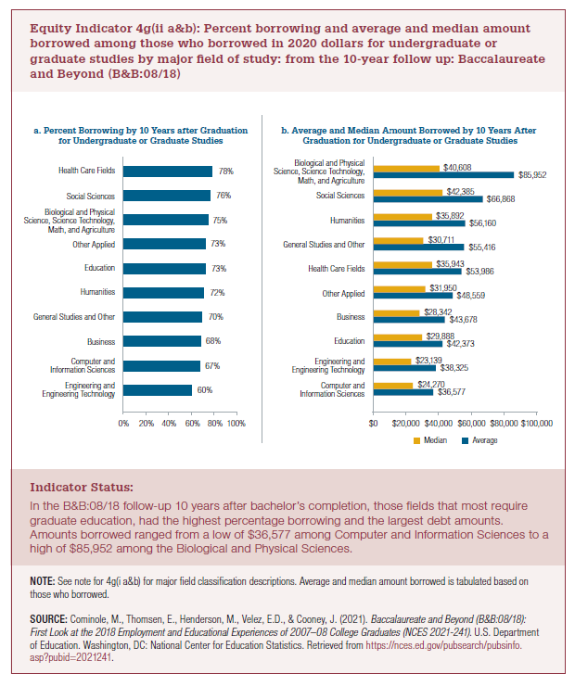
a. Percent Borrowing by 10 Years After Graduation for Undergraduate or Graduate Studies
Total
Engineering and Engineering Technology | 60%
Computer and Information Sciences | 67%
Business | 68%
General Studies and Other | 70%
Humanities | 72%
Education | 73%
Other Applied | 73%
Biological and Physical Science, Science Technology, Math, and Agriculture | 75%
Social Sciences | 76%
Health Care Fields | 78%

b. Average and Median Amount Borrowed by 10 Years After Graduation for Undergraduate or Graduate Studies
Total | Average | Median
Computer and Information Sciences | $36,577 | $24,270
Engineering and Engineering Technology | $38,325 | $23,139
Education | $42,373 | $29,888
Business | $43,678 | $28,342
Other Applied | $48,559 | $31,950
Health Care Fields | $53,986 | $35,943
General Studies and Other | $55,416 | $30,711
Humanities | $56,160 | $35,892
Social Sciences | $66,868 | $42,385
Biological and Physical Science, Science Technology, Math, and Agriculture | $85,952 | $40,608

2022 Ind 4g(ii a) Chart
a. Percent Borrowing by 10 Years after Graduationfor Undergraduate or Graduate Studies
Total
Engineering and Engineering Technology | 60%
Computer and Information Sciences | 67%
Business | 68%
General Studies and Other | 70%
Humanities | 72%
Education | 73%
Other Applied | 73%
Biological and Physical Science, Science Technology, Math, and Agriculture | 75%
Social Sciences | 76%
Health Care Fields | 78%

2022 Ind 4g(ii b) Chart
b. Average and Median Amount Borrowed by 10 Years After Graduation for Undergraduate or Graduate Studies
 | Average | Median
Computer and Information Sciences | $36,577 | $24,270
Engineering and Engineering Technology | $38,325 | $23,139
Education | $42,373 | $29,888
Business | $43,678 | $28,342
Other Applied | $48,559 | $31,950
Health Care Fields | $53,986 | $35,943
General Studies and Other | $55,416 | $30,711
Humanities | $56,160 | $35,892
Social Sciences | $66,868 | $42,385
Biological and Physical Science, Science Technology, Math, and Agriculture | $85,952 | $40,608

