2022 Indi 4g(i a&b) Data&Image
Equity Indicator 4g(i a&b): Percent borrowing and average amount borrowed among those who borrowed in 2020 dollars for undergraduate studies by major field of study (data from the 1-year follow up: Baccalaureate and Beyond (B&B:16/17)

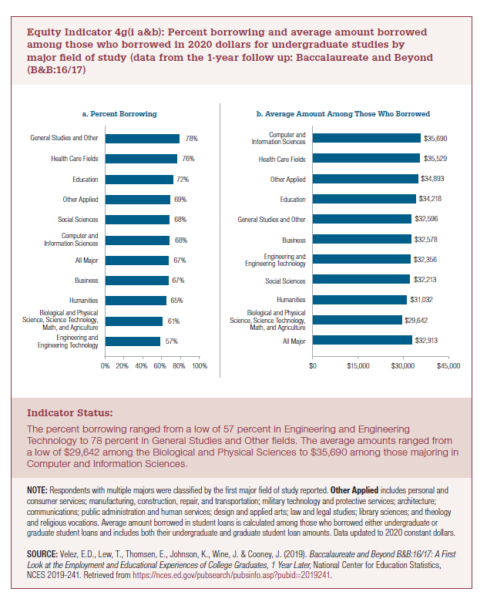
Field of Study | a. Percent Borrowing
Engineering and Engineering Technology | 57%
Biological and Physical Science, Science Technology, Math, and Agriculture | 61%
Humanities | 65%
Business | 67%
All Major | 67%
Computer and Information Sciences | 68%
Social Sciences | 68%
Other Applied | 69%
Education | 72%
Health Care Fields | 76%
General Studies and Other | 78%

Field of Study | b. Average Amount Among Those Who Borrowed
All Major | $32,913
Biological and Physical Science, Science Technology, Math, and Agriculture | $29,642
Humanities | $31,032
Social Sciences | $32,213
Engineering and Engineering Technology | $32,356
Business | $32,578
General Studies and Other | $32,596
Education | $34,218
Other Applied | $34,893
Health Care Fields | $35,529
Computer and Information Sciences | $35,690

2022 Ind g(i a) Chart
 | a. Percent Borrowing
Engineering and Engineering Technology | 57%
Biological and Physical Science, Science Technology, Math, and Agriculture | 61%
Humanities | 65%
Business | 67%
All Major | 67%
Computer and Information Sciences | 68%
Social Sciences | 68%
Other Applied | 69%
Education | 72%
Health Care Fields | 76%
General Studies and Other | 78%

2022 ind g(i b) chart
 | b. Average Amount Among Those Who Borrowed
All Major | $32,913
Biological and Physical Science, Science Technology, Math, and Agriculture | $29,642
Humanities | $31,032
Social Sciences | $32,213
Engineering and Engineering Technology | $32,356
Business | $32,578
General Studies and Other | $32,596
Education | $34,218
Other Applied | $34,893
Health Care Fields | $35,529
Computer and Information Sciences | $35,690

