2022 Indi 4f(ii) Data & Image
Equity Indicator 4f(ii): Average amount of debt among bachelor’s degree recipients who borrowed by state: 2020

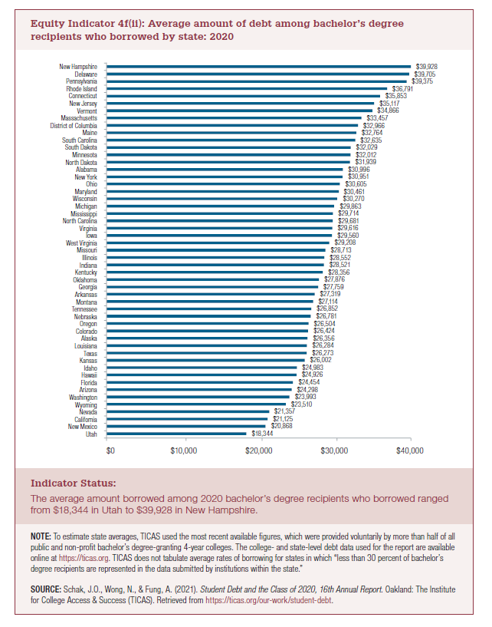
 | Average Debt
Utah | $18,344
New Mexico | $20,868
California | $21,125
Nevada | $21,357
Wyoming | $23,510
Washington | $23,993
Arizona | $24,298
Florida | $24,454
Hawaii | $24,926
Idaho | $24,983
Kansas | $26,002
Texas | $26,273
Louisiana | $26,284
Alaska | $26,356
Colorado | $26,424
Oregon | $26,504
Nebraska | $26,781
Tennessee | $26,852
Montana | $27,114
Arkansas | $27,319
Georgia | $27,759
Oklahoma | $27,876
Kentucky | $28,356
Indiana | $28,521
Illinois | $28,552
Missouri | $28,713
West Virginia | $29,208
Iowa | $29,560
Virginia | $29,616
North Carolina | $29,681
Mississippi | $29,714
Michigan | $29,863
Wisconsin | $30,270
Maryland | $30,461
Ohio | $30,605
New York | $30,951
Alabama | $30,996
North Dakota | $31,939
Minnesota | $32,012
South Dakota | $32,029
South Carolina | $32,635
Maine | $32,764
District of Columbia | $32,966
Massachusetts | $33,457
Vermont | $34,866
New Jersey | $35,117
Connecticut | $35,853
Rhode Island | $36,791
Pennsylvania | $39,375
Delaware | $39,705
New Hampshire | $39,928

2022 Indi 4f(ii) Chart
 | Average Debt
Utah | $18,344
New Mexico | $20,868
California | $21,125
Nevada | $21,357
Wyoming | $23,510
Washington | $23,993
Arizona | $24,298
Florida | $24,454
Hawaii | $24,926
Idaho | $24,983
Kansas | $26,002
Texas | $26,273
Louisiana | $26,284
Alaska | $26,356
Colorado | $26,424
Oregon | $26,504
Nebraska | $26,781
Tennessee | $26,852
Montana | $27,114
Arkansas | $27,319
Georgia | $27,759
Oklahoma | $27,876
Kentucky | $28,356
Indiana | $28,521
Illinois | $28,552
Missouri | $28,713
West Virginia | $29,208
Iowa | $29,560
Virginia | $29,616
North Carolina | $29,681
Mississippi | $29,714
Michigan | $29,863
Wisconsin | $30,270
Maryland | $30,461
Ohio | $30,605
New York | $30,951
Alabama | $30,996
North Dakota | $31,939
Minnesota | $32,012
South Dakota | $32,029
South Carolina | $32,635
Maine | $32,764
District of Columbia | $32,966
Massachusetts | $33,457
Vermont | $34,866
New Jersey | $35,117
Connecticut | $35,853
Rhode Island | $36,791
Pennsylvania | $39,375
Delaware | $39,705
...

