2022 Indi f(i) Data & Image
Equity Indicator 4f(i): Percentage of bachelor’s degree recipients with debt by state: 2020
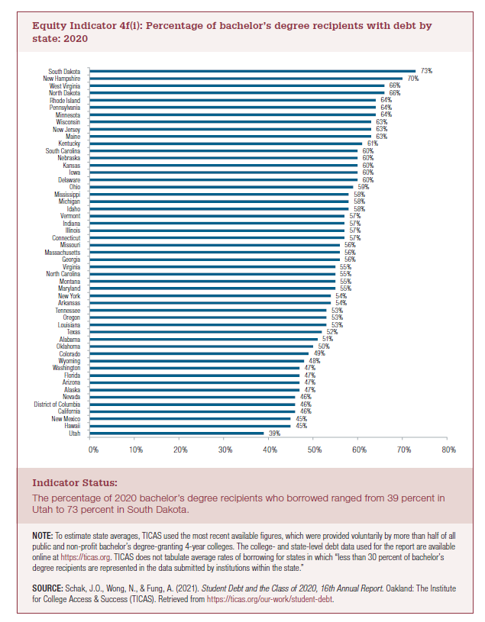
 | Percent with Debt
Utah | 39%
Hawaii | 45%
New Mexico | 45%
California | 46%
District of Columbia | 46%
Nevada | 46%
Alaska | 47%
Arizona | 47%
Florida | 47%
Washington | 47%
Wyoming | 48%
Colorado | 49%
Oklahoma | 50%
Alabama | 51%
Texas | 52%
Louisiana | 53%
Oregon | 53%
Tennessee | 53%
Arkansas | 54%
New York | 54%
Maryland | 55%
Montana | 55%
North Carolina | 55%
Virginia | 55%
Georgia | 56%
Massachusetts | 56%
Missouri | 56%
Connecticut | 57%
Illinois | 57%
Indiana | 57%
Vermont | 57%
Idaho | 58%
Michigan | 58%
Mississippi | 58%
Ohio | 59%
Delaware | 60%
Iowa | 60%
Kansas | 60%
Nebraska | 60%
South Carolina | 60%
Kentucky | 61%
Maine | 63%
New Jersey | 63%
Wisconsin | 63%
Minnesota | 64%
Pennsylvania | 64%
Rhode Island | 64%
North Dakota | 66%
West Virginia | 66%
New Hampshire | 70%
South Dakota | 73%

2022 Indi 4f(i) Chart
Utah | 39%
Hawaii | 45%
New Mexico | 45%
California | 46%
District of Columbia | 46%
Nevada | 46%
Alaska | 47%
Arizona | 47%
Florida | 47%
Washington | 47%
Wyoming | 48%
Colorado | 49%
Oklahoma | 50%
Alabama | 51%
Texas | 52%
Louisiana | 53%
Oregon | 53%
Tennessee | 53%
Arkansas | 54%
New York | 54%
Maryland | 55%
Montana | 55%
North Carolina | 55%
Virginia | 55%
Georgia | 56%
Massachusetts | 56%
Missouri | 56%
Connecticut | 57%
Illinois | 57%
Indiana | 57%
Vermont | 57%
Idaho | 58%
Michigan | 58%
Mississippi | 58%
Ohio | 59%
Delaware | 60%
Iowa | 60%
Kansas | 60%
Nebraska | 60%
South Carolina | 60%
Kentucky | 61%
Maine | 63%
New Jersey | 63%
Wisconsin | 63%
Minnesota | 64%
Pennsylvania | 64%
Rhode Island | 64%
North Dakota | 66%
West Virginia | 66%
New Hampshire | 70%
...

