2022 Indi 4e(vi) Data & Image
Equity Indicator 4e(vi): Bachelor’s degree graduates’ financial well-being 10 years after graduation by race/ethnicity: Baccalaureate and Beyond (B&B:08/18)

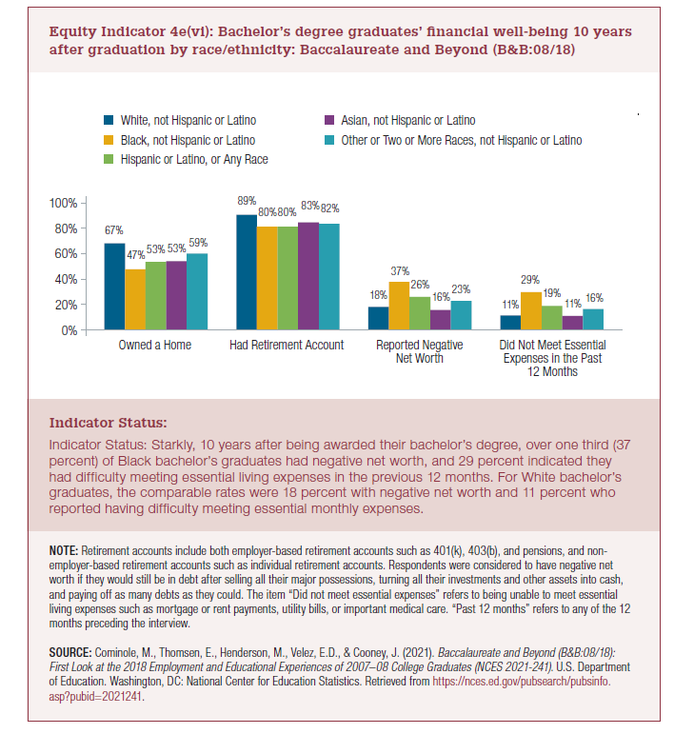
 | White, not Hispanic or Latino | Black, not Hispanic or Latino | Hispanic or Latino, of any race | Asian, not Hispanic or Latino | Other or Two or more races, not Hispanic or Latino
Owned a home | 67% | 47% | 53% | 53% | 59%
Had retirement account | 89% | 80% | 80% | 83% | 82%
Reported negative net worth | 18% | 37% | 26% | 16% | 23%
Did not meet essential expenses in the past 12 months | 11% | 29% | 19% | 11% | 16%

2022 Indi 4e(vi) Chart
 | White, not Hispanic or Latino | Black, not Hispanic or Latino | Hispanic or Latino, of any race | Asian, not Hispanic or Latino | Other or Two or more races, not Hispanic or Latino
Owned a home | 67% | 47% | 53% | 53% | 59%
Had retirement account | 89% | 80% | 80% | 83% | 82%
Reported negative net worth | 18% | 37% | 26% | 16% | 23%
Did not meet essential expenses in the past 12 months | 11% | 29% | 19% | 11% | 16%

