2022 Ind 4e(v a&b) Data&Image
Equity Indicator 4e(v a&b): Percent borrowing and average amount (includes nonborrowers as zero) in 2020 dollars for undergraduate and graduate enrollment by 10 years after bachelor’s completion by race/ethnicity: Baccalaureate and Beyond (B&B:08/18)

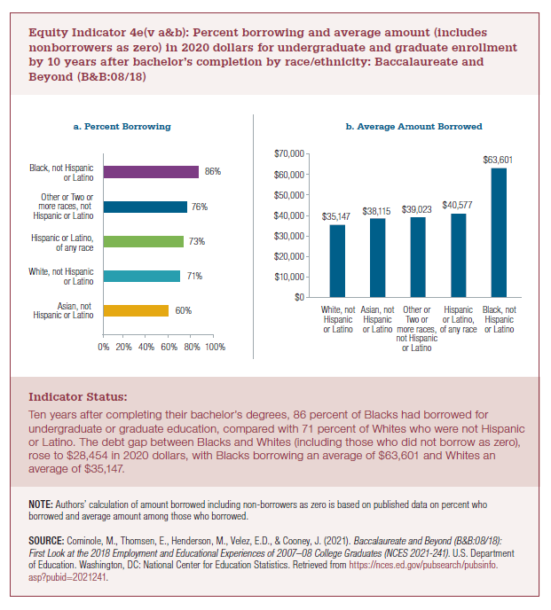
a. Percent Borrowing
Asian, not Hispanic or Latino | White, not Hispanic or Latino | Hispanic or Latino, of any race | Other or Two or more races, not Hispanic or Latino | Black, not Hispanic or Latino
60% | 71% | 73% | 76% | 86%

b. Average Amount Borrowed
White, not Hispanic or Latino | Asian, not Hispanic or Latino | Other or Two or more races, not Hispanic or Latino | Hispanic or Latino, of any race | Black, not Hispanic or Latino
$35,147 | $38,115 | $39,023 | $40,577 | $63,601 | $2,968
 |  |  |  |  | 1.084435721

2022 Indi 4e(v a) Chart
a. Percent Borrowing
Asian, not Hispanic or Latino | 60%
White, not Hispanic or Latino | 71%
Hispanic or Latino, of any race | 73%
Other or Two or more races, not Hispanic or Latino | 76%
Black, not Hispanic or Latino | 86%

2022 Indi 4e(v b) Chart
b. Average Amount Borrowed
White, not Hispanic or Latino | $35,147
Asian, not Hispanic or Latino | $38,115
Other or Two or more races, not Hispanic or Latino | $39,023
Hispanic or Latino, of any race | $40,577
Black, not Hispanic or Latino | $63,601

