2022 Indi 4e(iv a) Data & Image
Equity Indicator 4e(iv a&b): Source of Black-White differences in amount owed; percent owing more than borrowed, and changes in amount owed 4 years after graduation: Baccalaureate and Beyond (B&B) 2008/12 cohort

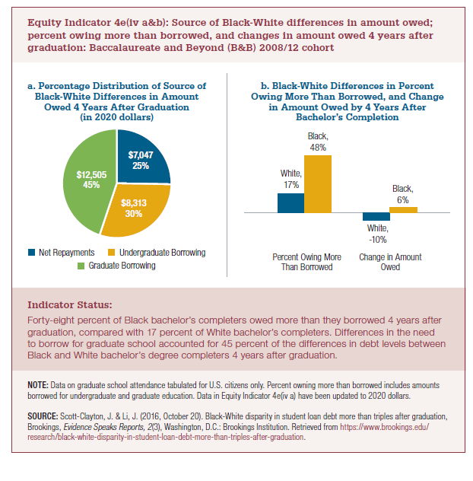
a. Percentage Distribution of Source ofBlack-White Differences in AmountOwed 4 Years After Graduation(in 2020 dollars)
 | Net Repayments | Undergradaute Borrowing | Graduate Borrowing | Total
2012 Gap | $6,252 | $7,375 | $11,094 | $24,721

2020 dollars | Net Repayments | Undergraduate Borrowing | Graduate Borrowing | Total
2012 Gap in 2020 dollars | $7,047 | $8,313 | $12,505 | $27,866

Constant Multiplier | 1.1

2022 Indi 4e(iv a) Chart
a) Percentage Distribution of Source of Black-White Differences in Amount Owed 4 Years After Graduation (in 2020 dollars)
Net Repayments | $7,047
Undergraduate Borrowing | $8,313
Graduate Borrowing | $12,505

2022 Indi 4e(iv b) Chart
b) Black-White Differences in Percent Owing More Than Borrowed, and Change in Amount Owed by 4 Years After Bachelor's Completion
 | White | Black
Percent Owing More Than Borrowed | 17% | 48%
Change in Amount Owed | -10% | 6%

