2022 Indi 4e(iii a&b Data&Image
Equity Indicator 4e(iii a&b): Percent of 1993/1997 and 2008/2012 bachelor’s degree recipients ever enrolled in graduate school by 4 years after graduation; and percent of 2008/12 cohort with graduate loans, by race/ethnicity: Baccalaureate and Beyond B&B:1993/97 and 2008/12
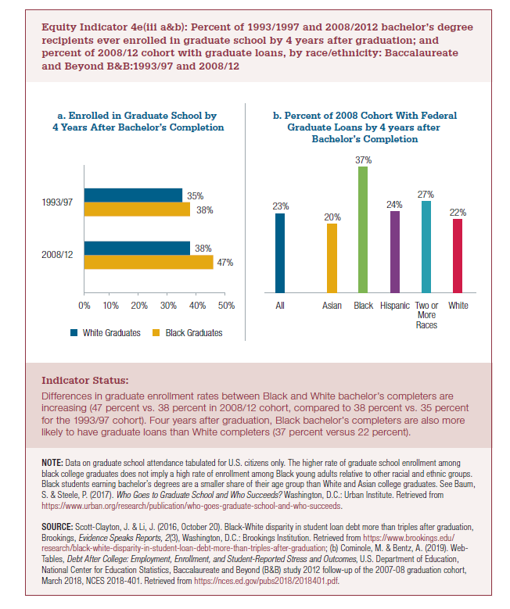
a) Enrolled in Graduate School by 4 years After Bachelor's Completion
 | 2008/12 | 1993/1997
Black Graduates | 47% | 38%
White Graduates | 38% | 35%

b) Percent of 2008 Cohort With Federal Graduate Loans by 4 years after Bachelor’s Completion
 | All |  | Asian | Black | Hispanic | Two or More Races | White
Percent With Federal Graduate Loans1 | 23% |  | 20% | 37% | 24% | 27% | 22%

2022 Indi 4e(iii a) Chart
a. Enrolled in Graduate School by 4 Years After Bachelor’s Completion
 | Black Graduates | White Graduates
2008/12 | 47% | 38%
1993/1997 | 38% | 35%

2022 Indi 4e(iii b) Chart
b) Percent of 2008 Cohort With Federal Graduate Loans by 4 years after Bachelor’s Completion
 | Percent With Federal Graduate Loans1
All | 0.234
Asian | 0.203
Black | 0.373
Hispanic | 0.241
Two or More Races | 0.27
White | 0.218

