2021 Indi 4e(ii) Data&Image
Equity Indicator 4e(ii): Average amount owed (including those with zero debt) by 4 years after graduation by Pell Grant receipt, first-generation college status, and Black-White race/ethnicity: Baccalaureate and Beyond B&B:08/12 (in 2020 dollars)

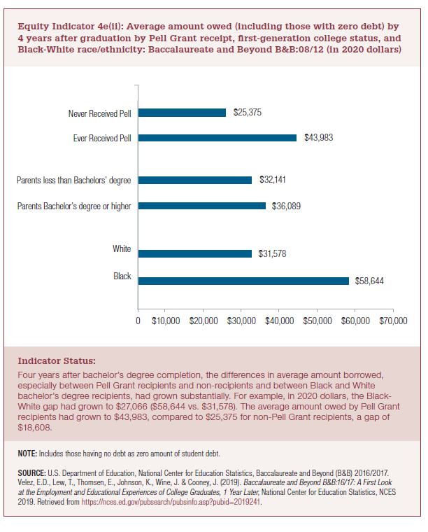
2020 dollars |  |  | GAP
Black | $58,644 | $58,644 | $27,066
White | $31,578 | $31,578

Parents Bachelor's degree or higher | $36,089 | $36,089 | $3,947
Parents less than Bachelor's degree | $32,141 | $32,141

Ever Received Pell | $43,983 | $43,983 | $18,608
Never Received Pell | $25,375 | $25,375

2021 Indi 4e(ii) Chart
Black | $58,644
White | $31,578
Parents Bachelor's degree or higher | $36,089
Parents less than Bachelor's degree | $32,141
Ever Received Pell | $43,983
Never Received Pell | $25,375

