2021 Ind 4e(i) Data & Image
Equity Indicator 4e(i): Percent of bachelor’s degree recipients who borrowed and average amount borrowed (in 2020 dollars) to finance their undergraduate education by Pell Grant receipt status, dependency status, and highest parental education level: 2016 graduation cohort interviewed 1 year after graduation: Baccalaureate and Beyond B&B:16/17

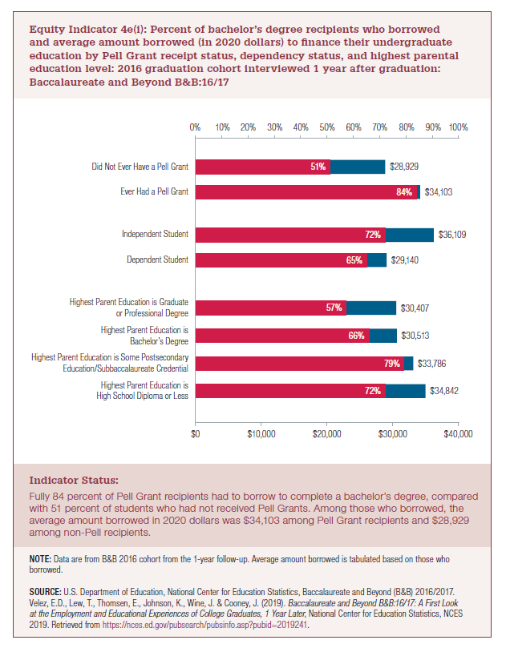
 | Average Borrowed | Average Borrowed | Percent Who Borrowed
 | Current Dollars (2017) | Constant Dollars (2020)
Highest Parent Education is High School Diploma or Less | $33,000 | $34,842 | 72%
Highest Parent Education is Some Postsecondary Education/ Subbaccalaureate Credential | $32,000 | $33,786 | 79%
Highest Parent Education is Bachelor’s Degree | $28,900 | $30,513 | 66%
Highest Parent Education is Graduate or Professional Degree | $28,800 | $30,407 | 57%

Dependent Student | $27,600 | $29,140 | 65%
Independent Student | $34,200 | $36,109 | 72%

Ever Had a Pell Grant | $32,300 | $34,103 | 84% | 65%
Did Not Ever Have a Pell Grant | $27,400 | $28,929 | 51%

2021 Indi 4e(i) Chart
Highest Parent Education is High School Diploma or Less | $34,842 | 72%
Highest Parent Education is Some Postsecondary Education/ Subbaccalaureate Credential | $33,786 | 79%
Highest Parent Education is Bachelor’s Degree | $30,513 | 66%
Highest Parent Education is Graduate or Professional Degree | $30,407 | 57%
Dependent Student | $29,140 | 65%
Independent Student | $36,109 | 72%
Ever Had a Pell Grant | $34,103 | 84%
Did Not Ever Have a Pell Grant | $28,929 | 51%

