2022 Indi 4d(ii a&b) Dat&Image
Equity Indicator 4d(ii a&b): Percentage of associate’s degree completers who ever received loans (federal and non-federal loans to students) and amount borrowed among those who borrowed by race/ethnicity: NPSAS selected years, 2000 to 2016 (in constant 2020 dollars)

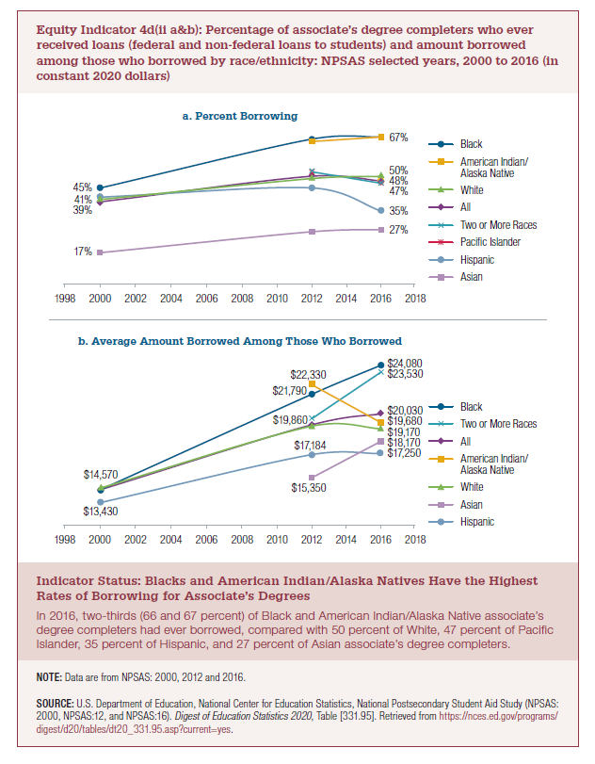
a.Percent Who Borrowed
 | Black | American Indian/Alaska Native | White | All | Two or More Races | Pacific Islander | Hispanic | Asian
2000 | 45% |  | 40% | 39% |  |  | 41% | 17%
2012 | 66% | 65% | 49% | 50% | 52% |  | 45% | 26%
2016 | 67% | 67% | 50% | 48% | 47% | 47% | 35% | 27%

b. Average Aount Borrowed Among Those Who Borrowed
2020 dollars
 | Black | Two or more races | All | American Indian/Alaska Native | White | Asian | Hispanic
2000 | $14,430 |  | $14,420 |  | $14,570 |  | $13,430
2012 | $21,790 | $19,860 | $19,390 | $22,330 | $19,340 | $15,350 | $17,150
2016 | $24,080 | $23,530 | $20,030 | $19,680 | $19,170 | $18,170 | $17,250

Current Dollars (from Digest)
 | Black | Two or more races | Associate's degree | American Indian/Alaska Native | White | Asian | Hispanic
2000 | $9,500 |  | $9,490 |  | $9,590 |  | $8,840
2012 | $19,280 | $17,570 | $17,160 | $22,330 | $17,110 | $13,580 | $15,170
2016 | $22,300 | $21,790 | $18,550 | $18,230 | $17,760 | $16,830 | $15,970

2022 Indi 4d(ii a) Chart
a. Percent Who Borrowed
 | Black | American Indian/Alaska Native | White | All | Two or More Races | Pacific Islander | Hispanic | Asian
2000 | 45% |  | 40% | 39% |  |  | 41% | 17%
2012 | 66% | 65% | 49% | 50% | 52% |  | 45% | 26%
2016 | 67% | 67% | 50% | 48% | 47% | 47% | 35% | 27%

2022 Indi 4d(ii b) Chart
b. Average Amount Borrowed Among Those Who Borrowed
 | Black | Two or more races | All | American Indian/Alaska Native | White | Asian | Hispanic
2000 | $14,430 |  | $14,420 |  | $14,570 |  | $13,430
2012 | $21,790 | $19,860 | $19,390 | $22,330 | $19,340 | $15,350 | $17,150
2016 | $24,080 | $23,530 | $20,030 | $19,680 | $19,170 | $18,170 | $17,250

