2022 Ind 4d(i a&b) Data & Image
Equity Indicator 4d(i a&b): Percentage of bachelor’s degree completers who ever received loans (federal and non-federal loans to students) and amount borrowed among those who borrowed by race/ethnicity: NPSAS selected years, 2000 to 2016 (in constant 2020 dollars)
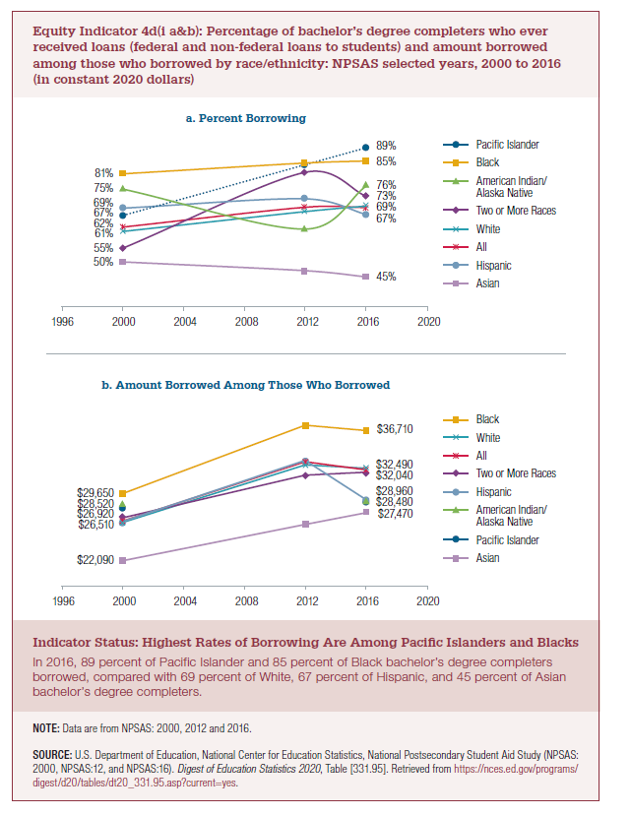
a. Percent Borrowing
 | Pacific Islander | Black | American Indian/Alaska Native | Two or More Races | White | All | Hispanic | Asian
2000 | 67% | 81% | 75% | 55% | 61% | 62% | 69% | 50%
2012 |  | 84% | 62% | 81% | 68% | 69% | 72% | 47%
2016 | 89% | 85% | 76% | 73% | 69% | 69% | 67% | 45%

b. Amount Borrowed Among Those Who Borrowed
2020 constant dollars
 | Black | White | All | Two or More Races | Hispanic | Pacific Islander | American Indian/Alaska Native | Asian
2000 | $29,650 | $26,400 | $26,560 | $26,920 | $26,510 | $27,920 | $28,520 | $22,090
2012 | $37,320 | $32,850 | $33,210 | $31,710 | $33,360 |  |  | $26,150
2016 | $36,710 | $32,490 | $32,290 | $32,040 | $28,960 | $28,620 | $28,480 | $27,470

Current Dollars (from Digest)
 | Black | White | All | Two or More Races | Hispanic | Pacific Islander | American Indian/Alaska Native | Asian
2000 | $19,510 | $17,370 | $17,480 | $17,720 | 17450 | 18380 | 18770 | 14540
2012 | $33,020 | $29,060 | $29,380 | $28,050 | 29520 |  |  | 23130
2016 | $34,000 | $30,090 | $29,910 | $29,680 | 26820 | 26520 | 26380 | 25450

2022 Indi 4d(i a) Chart
a. Percent Borrowing
 | Pacific Islander | Black | American Indian/Alaska Native | Two or More Races | White | All | Hispanic | Asian
2000 | 67% | 81% | 75% | 55% | 61% | 62% | 69% | 50%
2012 |  | 84% | 62% | 81% | 68% | 69% | 72% | 47%
2016 | 89% | 85% | 76% | 73% | 69% | 69% | 67% | 45%

2022 Ind 4d(i b) Chart
b. Amount Borrowed Among Those Who Borrowed
 | Black | White | All | Two or More Races | Hispanic | Pacific Islander | American Indian/Alaska Native | Asian
2000 | $29,650 | $26,400 | $26,560 | $26,920 | $26,510 | $27,920 | $28,520 | $22,090
2012 | $37,320 | $32,850 | $33,210 | $31,710 | $33,360 |  |  | $26,150
2016 | $36,710 | $32,490 | $32,290 | $32,040 | $28,960 | $28,620 | $28,480 | $27,470

