2022 Ind 4c(iv a&b) Data&Image
Equity Indicator 4c(iv a&b): Percentage of certificate completers who ever received loans (federal and non-federal loans to students) and amount borrowed among those who borrowed by institutional control: Selected NPSAS years: 2000 to 2016 (in constant 2020 dollars)

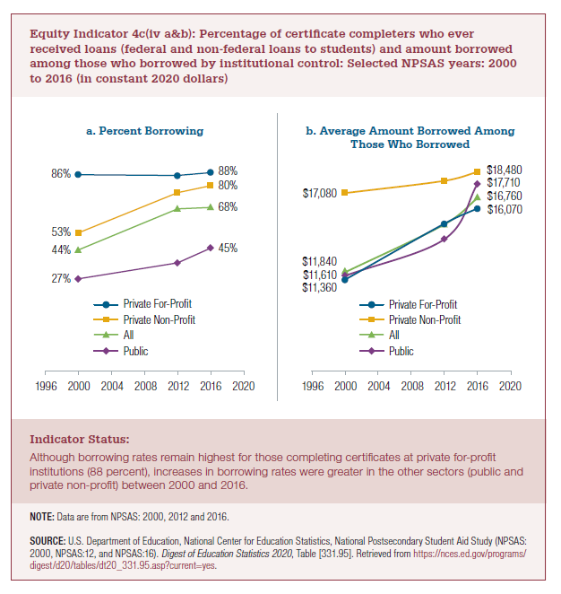
a) Percent Borrowing
 | Private For-Profit | Private Non-Profit | All | Public
2000 | 86% | 53% | 44% | 27%
2012 | 86% | 76% | 67% | 36%
2016 | 88% | 80% | 68% | 45%

b) Average Amount Borrowed Among Those Who Borrowed
2020 dollars
 | Private For-Profit | Private Non-Profit | All | Public
2000 | $11,360 | $17,080 | $11,840 | $11,610 | 53% | 41%
2012 | $15,060 | $17,890 | $15,010 | $14,040
2016 | $16,070 | $18,480 | $16,760 | $17,710

Current Dollars (from Digest)
 | Private For-profit | Private Non-profit | All | Public
2000 | $7,470 | $11,240 | $7,790 | $7,640
2012 | $13,320 | $15,820 | $13,280 | $12,420
2016 | $14,880 | $17,110 | $15,520 | $16,400

2022 Indi 4c(iv a) Chart
a. Percent Borrowing
 | Private For-Profit | Private Non-Profit | All | Public
2000 | 86% | 53% | 44% | 27%
2012 | 86% | 76% | 67% | 36%
2016 | 88% | 80% | 68% | 45%

2022 Indi 4c(iv b) chart
a. Amount Borrowed Among Those Who Borrowed
 | Private For-Profit | Private Non-Profit | All | Public
2000 | $11,360 | $17,080 | $11,840 | $11,610
2012 | $15,060 | $17,890 | $15,010 | $14,040
2016 | $16,070 | $18,480 | $16,760 | $17,710

