2022 Ind 4c(iii a&b) Data&Imag
Equity Indicator 4c(iii a&b): Percentage of associate’s degree completers who ever received loans (federal and non-federal loans to students) and amount borrowed among those who borrowed by institutional control: Selected NPSAS years: 2000, 2012, 2016 (in constant 2020 dollars)

2020 constant dollars
b) Amount borrowed Among Those Who Borrowed
 | Private For-Profit | Private Non-)rofit | All | Public
2000 | $20,420 | $18,000 | $14,420 | $12,250
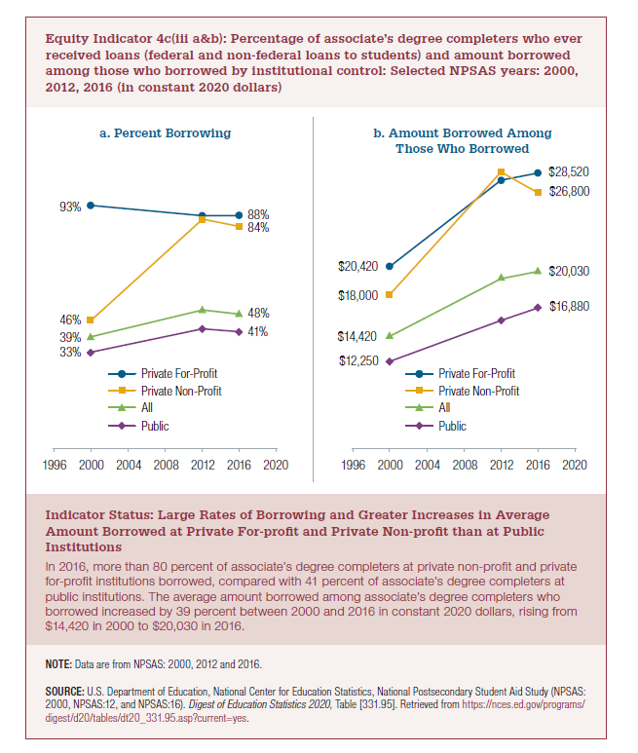
2012 | $27,900 | $28,610 | $19,390 | $15,790
2016 | $28,520 | $26,800 | $20,030 | $16,880

a) Percent Borrowing
 | Private For-profit | Private Nonprofit | All | Public
2000 | 93% | 46% | 39% | 33%
2012 | 88% | 87% | 50% | 42%
2016 | 88% | 84% | 48% | 41%

Current Dollars (from Digest)
 | Private For-profit | Private Non-profit | All | Public
2000 | $13,440 | $11,850 | $9,490 | $8,060
2012 | $24,680 | $25,310 | $17,160 | $13,970
2016 | $26,420 | $24,830 | $18,550 | $15,640

2022 Ind 4c(iii a) Chart
Percent Borrowing
 | Private For-profit | Private Nonprofit | All | Public
2000 | 93% | 46% | 39% | 33%
2012 | 88% | 87% | 50% | 42%
2016 | 88% | 84% | 48% | 41%

2022 Ind 4c(iii b) Chart
b. Amount Borrowed Among Those Who Borrowed
 | Private For-Profit | Private Non-)rofit | All | Public
2000 | $20,420 | $18,000 | $14,420 | $12,250
2012 | $27,900 | $28,610 | $19,390 | $15,790
2016 | $28,520 | $26,800 | $20,030 | $16,880

