2022 Indi 4c(iia& b) Data&Image
Equity Indicator 4c(ii a&b): Percentage of bachelor’s degree completers who ever received loans (federal and non-federal loans to students) and amount borrowed among those who borrowed by institutional control: Selected NPSAS years, 1990 to 2016 (in constant 2020 dollars)

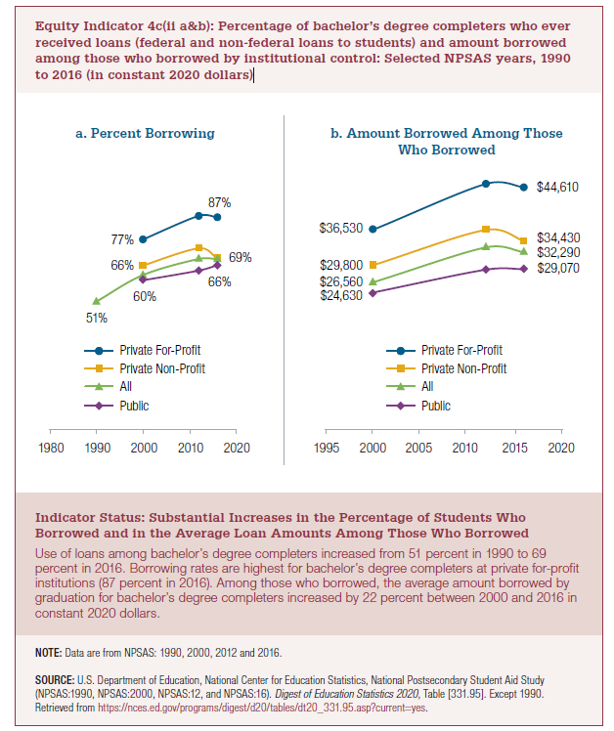
a. Percent Borrowing
 | Private For-profit | Private Non-profit | All | Public
1990 |  |  | 51% |  | Increase
2000 | 77% | 66% | 62% | 60% | 22%
2012 | 87% | 74% | 69% | 64%
2016 | 87% | 69% | 69% | 66%

b. Amount Borrowed Among Those Who Borrowed
2020 dollars
 | Private For-profit | Private Non-profit | All | Public
2000 | $36,530 | $29,800 | $26,560 | $24,630
2012 | $45,260 | $36,520 | $33,210 | $28,980
2016 | $44,610 | $34,430 | $32,290 | $29,070

Current Dollars (from Digest)
 | Private For-profit | Private Non-profit | All | Public
2000 | $24,040 | $19,620 | $17,480 | $16,210
2012 | $40,040 | $32,310 | $29,380 | $25,640
2016 | $41,320 | $31,890 | $29,910 | $26,930

Constant Dollars (from Digest)
 | Private For-profit | Private Non-profit | All | Public
2000 | $36,530 | $29,800 | $26,560 | $24,630
2012 | $45,260 | $36,520 | $33,210 | $28,980
2016 | $44,610 | $34,430 | $32,290 | $29,070

2022 Indi 4 c(ii a) Chart
a. Percent Borrowing
 | Private For-profit | Private Non-profit | All | Public
1990 |  |  | 51%
2000 | 77% | 66% | 62% | 60%
2012 | 87% | 74% | 69% | 64%
2016 | 87% | 69% | 69% | 66%

2022 Ind 4c(ii b) Chart
b. Amount Borrowed Among Those Who Borrowed
 | Private For-profit | Private Non-profit | All | Public
2000 | $36,530 | $29,800 | $26,560 | $24,630
2012 | $45,260 | $36,520 | $33,210 | $28,980
2016 | $44,610 | $34,430 | $32,290 | $29,070

