2022 Indi 4c(i a&b) Data&Imag
Equity Indicator 4c(i a&b): Number of federal borrowers, and cumulative amount of student debt: 2003-2021

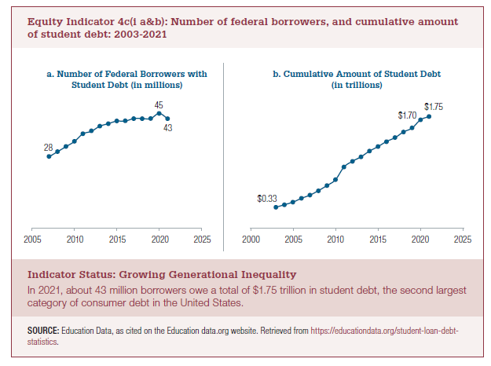
 | a. Number of Federal Borrowers with Student Debt (in millions) |  | b. Cumulative Amount of Student Debt (in trillions)
2003 |  | 2003 | $0.33
2004 |  | 2004 | $0.37
2005 |  | 2005 | $0.41
2006 |  | 2006 | $0.47
2007 | 28 | 2007 | $0.52
2008 | 30 | 2008 | $0.59
2009 | 32 | 2009 | $0.67
2010 | 34 | 2010 | $0.76
2011 | 37 | 2011 | $0.96
2012 | 38 | 2012 | $1.05
2013 | 40 | 2013 | $1.12
2014 | 41 | 2014 | $1.21
2015 | 42 | 2015 | $1.28
2016 | 42 | 2016 | $1.36
2017 | 43 | 2017 | $1.42
2018 | 43 | 2018 | $1.51
2019 | 43 | 2019 | $1.57
2020 | 45 | 2020 | $1.70
2021 | 43 | 2021 | $1.75

2022 Indi 4c(i a) Chart
a. Number of Federal Borrowers with Student Debt (in millions)
 | a. Number of Federal Borrowers with Student Debt (in millions)
2003
2004
2005
2006
2007 | 28
2008 | 30
2009 | 32
2010 | 34
2011 | 37
2012 | 38
2013 | 40
2014 | 41
2015 | 42
2016 | 42
2017 | 43
2018 | 43
2019 | 43
2020 | 45

2022 Indi 4c(i b) Chart
b. Cumulative Amount of Student Debt (in trillions)
 | b. Cumulative Amount of Student Debt (in trillions)
2003 | $0.33
2004 | $0.37
2005 | $0.41
2006 | $0.47
2007 | $0.52
2008 | $0.59
2009 | $0.67
2010 | $0.76
2011 | $0.96
2012 | $1.05
2013 | $1.12
2014 | $1.21
2015 | $1.28
2016 | $1.36
2017 | $1.42
2018 | $1.51
2019 | $1.57
2020 | $1.70
2021 | $1.75

