2022 Indi 4b(i) Data & Image
Equity Indicator 4b(i): Average net price for dependent full-time undergraduate students by family income quartile: 1990 to 2016 (in constant 2020 dollars)

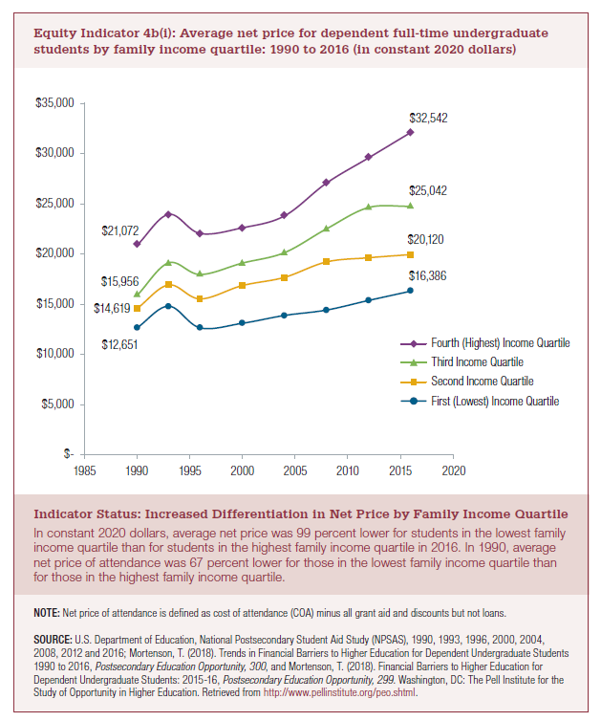
Current Dollars
Year | First (Lowest) Income Quartile | Second Income Quartile | Third Income Quartile | Fourth (Highest) Income Quartile
1990 | $6,389 | $7,383 | $8,058 | $10,642
1993 | $8,297 | $9,507 | $10,762 | $13,519
1996 | $7,671 | $9,462 | $10,968 | $13,500
2000 | $8,728 | $11,285 | $12,808 | $15,201
2004 | $10,156 | $12,988 | $14,824 | $17,553
2008 | $12,033 | $16,112 | $18,910 | $22,788
2012 | $13,699 | $17,562 | $22,097 | $26,580
2016 | $15,196 | $18,659 | $23,224 | $30,179

2020 Dollars
Year | First (Lowest) Income Quartile | Second Income Quartile | Third Income Quartile | Fourth (Highest) Income Quartile | CPI Multiplier
1990 | $12,651 | $14,619 | $15,956 | $21,072 | 1.980
1993 | $14,860 | $17,027 | $19,274 | $24,212 | 1.791
1996 | $12,654 | $15,606 | $18,091 | $22,268 | 1.649
2000 | $13,117 | $16,960 | $19,249 | $22,845 | 1.503
2004 | $13,915 | $17,794 | $20,309 | $24,048 | 1.370
2008 | $14,464 | $19,367 | $22,730 | $27,391 | 1.202
2012 | $15,442 | $19,796 | $24,908 | $29,961 | 1.127
2016 | $16,386 | $20,120 | $25,042 | $32,542 | 1.078

2022 Ind 4b(i) Chart
 | Fourth (Highest) Income Quartile | Third Income Quartile | Second Income Quartile | First (Lowest) Income Quartile
1990 | $21,072 | $15,956 | $14,619 | $12,651
1993 | $24,212 | $19,274 | $17,027 | $14,860
1996 | $22,268 | $18,091 | $15,606 | $12,654
2000 | $22,845 | $19,249 | $16,960 | $13,117
2004 | $24,048 | $20,309 | $17,794 | $13,915
2008 | $27,391 | $22,730 | $19,367 | $14,464
2012 | $29,961 | $24,908 | $19,796 | $15,442
2016 | $32,542 | $25,042 | $20,120 | $16,386

