2022 Indi 4a(v) Data &Image
Equity Indicator 4a(v): State need-based grant recipients as a percentage of Pell Grant recipients by state: 2020

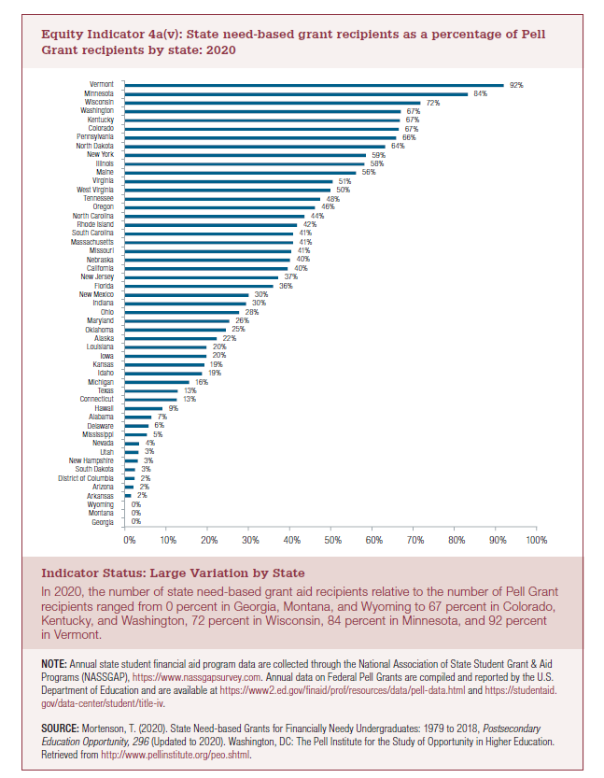
State | 2019-2020
Georgia | 0%
Montana | 0%
Wyoming | 0%
Arkansas | 2%
Arizona | 2%
District of Columbia | 2%
South Dakota | 3%
New Hampshire | 3%
Utah | 3%
Nevada | 4%
Mississippi | 5%
Delaware | 6%
Alabama | 7%
Hawaii | 9%
Connecticut | 13%
Texas | 13%
Michigan | 16%
Idaho | 19%
Kansas | 19%
Iowa | 20%
Louisiana | 20%
Alaska | 22%
Oklahoma | 25%
Maryland | 26%
Ohio | 28%
Indiana | 30%
New Mexico | 30%
Florida | 36%
New Jersey | 37%
California | 40%
Nebraska | 40%
Missouri | 41%
Massachusetts | 41%
South Carolina | 41%
Rhode Island | 42%
North Carolina | 44%
Oregon | 46%
Tennessee | 48%
West Virginia | 50%
Virginia | 51%
Maine | 56%
Illinois | 58%
New York | 59%
North Dakota | 64%
Pennsylvania | 66%
Colorado | 67%
Kentucky | 67%
Washington | 67%
Wisconsin | 72%
Minnesota | 84%
Vermont | 92%

2022 Indi 4a(v) Chart
 | 2019-2020
Georgia | 0%
Montana | 0%
Wyoming | 0%
Arkansas | 2%
Arizona | 2%
District of Columbia | 2%
South Dakota | 3%
New Hampshire | 3%
Utah | 3%
Nevada | 4%
Mississippi | 5%
Delaware | 6%
Alabama | 7%
Hawaii | 9%
Connecticut | 13%
Texas | 13%
Michigan | 16%
Idaho | 19%
Kansas | 19%
Iowa | 20%
Louisiana | 20%
Alaska | 22%
Oklahoma | 25%
Maryland | 26%
Ohio | 28%
Indiana | 30%
New Mexico | 30%
Florida | 36%
New Jersey | 37%
California | 40%
Nebraska | 40%
Missouri | 41%
Massachusetts | 41%
South Carolina | 41%
Rhode Island | 42%
North Carolina | 44%
Oregon | 46%
Tennessee | 48%
West Virginia | 50%
Virginia | 51%
Maine | 56%
Illinois | 58%
New York | 59%
North Dakota | 64%
Pennsylvania | 66%
Colorado | 67%
Kentucky | 67%
Washington | 67%
Wisconsin | 72%
Minnesota | 84%
...

