2022 Indi 3a(iv) Data&Image
Equity Indicator 3a(iv): Average costs (undergraduate tuition, fees, not including room and board costs) charged by 2-year institutions for full-time in-state students by state: 2019-20
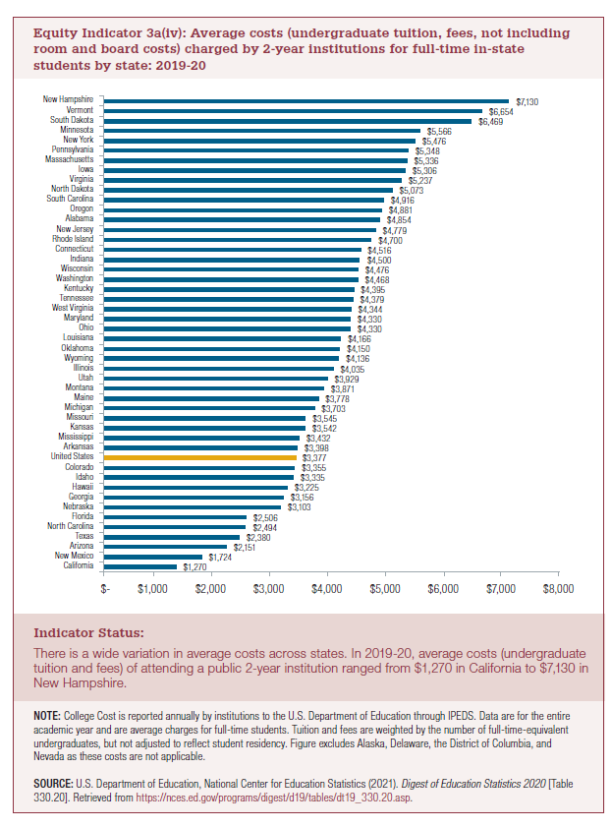

State | 2019-20
California | $1,270
New Mexico | $1,724
Arizona | $2,151
Texas | $2,380
North Carolina | $2,494
Florida | $2,506
Nebraska | $3,103
Georgia | $3,156
Hawaii | $3,225
Idaho | $3,335
Colorado | $3,355
United States | $3,377
Arkansas | $3,398
Mississippi | $3,432
Kansas | $3,542
Missouri | $3,545
Michigan | $3,703
Maine | $3,778
Montana | $3,871
Utah | $3,929
Illinois | $4,035
Wyoming | $4,136
Oklahoma | $4,150
Louisiana | $4,166
Ohio | $4,330
Maryland | $4,330
West Virginia | $4,344
Tennessee | $4,379
Kentucky | $4,395
Washington | $4,468
Wisconsin | $4,476
Indiana | $4,500
Connecticut | $4,516
Rhode Island | $4,700
New Jersey | $4,779
Alabama | $4,854
Oregon | $4,881
South Carolina | $4,916
North Dakota | $5,073
Virginia | $5,237
Iowa | $5,306
Massachusetts | $5,336
Pennsylvania | $5,348
New York | $5,476
Minnesota | $5,566
South Dakota | $6,469
Vermont | $6,654
New Hampshire | $7,130

2022 Indicator 3a(iv) Chart
 | 2019-20
California | $1,270
New Mexico | $1,724
Arizona | $2,151
Texas | $2,380
North Carolina | $2,494
Florida | $2,506
Nebraska | $3,103
Georgia | $3,156
Hawaii | $3,225
Idaho | $3,335
Colorado | $3,355
United States | $3,377
Arkansas | $3,398
Mississippi | $3,432
Kansas | $3,542
Missouri | $3,545
Michigan | $3,703
Maine | $3,778
Montana | $3,871
Utah | $3,929
Illinois | $4,035
Wyoming | $4,136
Oklahoma | $4,150
Louisiana | $4,166
Ohio | $4,330
Maryland | $4,330
West Virginia | $4,344
Tennessee | $4,379
Kentucky | $4,395
Washington | $4,468
Wisconsin | $4,476
Indiana | $4,500
Connecticut | $4,516
Rhode Island | $4,700
New Jersey | $4,779
Alabama | $4,854
Oregon | $4,881
South Carolina | $4,916
North Dakota | $5,073
Virginia | $5,237
Iowa | $5,306
Massachusetts | $5,336
Pennsylvania | $5,348
New York | $5,476
Minnesota | $5,566
South Dakota | $6,469
Vermont | $6,654
New Hampshire | $7,130

