2020 STS Figure 9 State Chart
 | AL | AK | AZ | AR | CA | CO | CT | DE | DC | FL | GA | HI
1940 | 92% | 87% | 88% | 92% | 89% | 92% | 92% | 92% | 86% | 90% | 92% | 94%
1950 | 82% | 74% | 83% | 71% | 77% | 79% | 82% | 77% | 77% | 83% | 81% | 78%
1960 | 64% | 57% | 58% | 71% | 58% | 55% | 67% | 71% | 72% | 62% | 63% | 60%
1970 | 64% | 45% | 57% | 66% | 57% | 63% | 64% |  | 69% | 61% | 60% | 55%
1980 | 52% | 38% | 46% | 56% | 49% | 50% | 52% | 51% | 66% | 46% | 48% | 50%

2020 STS Fig 9 National Chart
 | national cohort mean
1940 | 92%
1941 | 89%
1942 | 90%
1943 | 89%
1944 | 90%
1945 | 86%
1946 | 86%
1947 | 84%
1948 | 82%
1949 | 80%
1950 | 79%
1951 | 78%
1952 | 74%
1953 | 71%
1954 | 68%
1955 | 70%
1956 | 67%
1957 | 67%
1958 | 67%
1959 | 65%
1960 | 62%
1961 | 60%
1962 | 58%
1963 | 58%
1964 | 56%
1965 | 59%
1966 | 57%
1967 | 58%
1968 | 60%
1969 | 59%
1970 | 61%
1971 | 61%
1972 | 61%
1973 | 60%
1974 | 58%
1975 | 59%
1976 | 55%
1977 | 57%
1978 | 56%
1979 | 54%
1980 | 50%
1981 | 53%
1982 | 54%
1983 | 53%
1984 | 50%

2020 STS Fig 9 Data & Image
STS Figure 9: Percent of cohorts of children who at age 30 have a higher inflationadjusted income than their parents at age 30: 1940-1984 birth cohorts

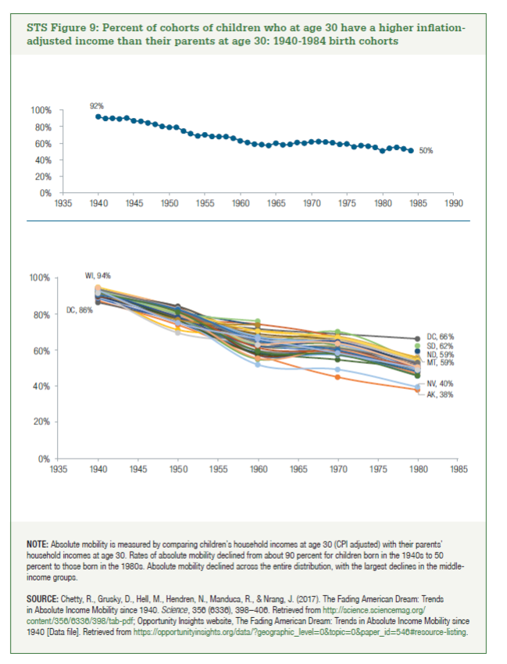
 | 1940 | 1950 | 1960 | 1970 | 1980 |  | national cohort mean
AL | 92% | 82% | 64% | 64% | 52% | 1940 | 92%
AK | 87% | 74% | 57% | 45% | 38% | 1941 | 89%
AZ | 88% | 83% | 58% | 57% | 46% | 1942 | 90%
AR | 92% | 71% | 71% | 66% | 56% | 1943 | 89%
CA | 89% | 77% | 58% | 57% | 49% | 1944 | 90%
CO | 92% | 79% | 55% | 63% | 50% | 1945 | 86%
CT | 92% | 82% | 67% | 64% | 52% | 1946 | 86%
DE | 92% | 77% | 71% |  | 51% | 1947 | 84%
DC | 86% | 77% | 72% | 69% | 66% | 1948 | 82%
FL | 90% | 83% | 62% | 61% | 46% | 1949 | 80%
GA | 92% | 81% | 63% | 60% | 48% | 1950 | 79%
HI | 94% | 78% | 60% | 55% | 50% | 1951 | 78%
ID | 95% | 79% | 68% |  | 49% | 1952 | 74%
IL | 92% | 83% | 60% | 58% | 47% | 1953 | 71%
IN | 94% | 82% | 60% | 59% | 48% | 1954 | 68%
IA | 95% | 83% | 66% | 66% | 54% | 1955 | 70%
KS | 94% | 80% | 66% | 63% | 50% | 1956 | 67%
KY | 92% | 77% | 64% | 70% | 53% | 1957 | 67%
LA | 89% | 75% | 59% | 60% | 53% | 1958 | 67%
ME | 93% | 78% | 74% | 67% | 50% | 1959 | 65%
MD | 91% | 77% | 60% | 60% | 51% | 1960 | 62%
MA | 91% | 84% | 68% | 68% | 55% | 1961 | 60%
MI | 93% | 83% | 57% | 58% | 46% | 1962 | 58%
MN | 94% | 81% | 64% | 63% | 53% | 1963 | 58%
MS | 91% | 80% | 66% | 66% | 53% | 1964 | 56%
MO | 94% | 83% | 63% | 62% | 52% | 1965 | 59%
MT | 92% | 69% | 65% |  | 59% | 1966 | 57%
NE | 94% | 79% | 65% | 67% | 55% | 1967 | 58%
NV | 89% | 77% | 52% | 49% | 40% | 1968 | 60%
NH | 93% | 80% | 63% | 62% | 51% | 1969 | 59%
NJ | 90% | 78% | 67% | 64% | 52% | 1970 | 61%
NM | 89% | 83% | 57% | 61% | 51% | 1971 | 61%
NY | 90% | 84% | 66% | 64% | 55% | 1972 | 61%
NC | 93% | 78% | 69% | 65% | 50% | 1973 | 60%
ND | 94% | 82% | 74% |  | 59% | 1974 | 58%
OH | 93% | 76% | 58% | 58% | 48% | 1975 | 59%
OK | 94% | 81% | 65% | 57% | 51% | 1976 | 55%
OR | 92% | 80% | 55% | 60% | 48% | 1977 | 57%
PA | 93% | 83% | 66% | 65% | 54% | 1978 | 56%
RI | 91% | 81% | 70% | 67% | 54% | 1979 | 54%
SC | 91% | 81% | 67% | 63% | 49% | 1980 | 50%
SD | 93% | 81% | 76% |  | 62% | 1981 | 53%
TN | 92% | 78% | 62% | 65% | 50% | 1982 | 54%
TX | 91% | 81% | 61% | 59% | 50% | 1983 | 53%
UT | 94% | 82% | 64% | 61% | 53% | 1984 | 50%
VT | 92% | 77% | 74% |  | 47%
VA | 91% | 82% | 65% | 60% | 48%
WA | 92% | 81% | 59% | 57% | 46%
WV | 93% | 75% | 66% | 58% | 50%
WI | 94% |  | 63% | 64% | 51%
WY | 91% |  | 63% |  | 49%

