2020 STS Chart
 | Gini Index 2018 | Poverty 3 Year Average 2016-2018
New Hampshire | 0.45 | 6%
Maryland | 0.45 | 7%
Utah | 0.43 | 8%
Minnesota | 0.45 | 9%
Colorado | 0.46 | 9%
New Jersey | 0.48 | 9%
Iowa | 0.44 | 9%
Hawaii | 0.45 | 10%
Wisconsin | 0.45 | 10%
Vermont | 0.45 | 10%
Delaware | 0.46 | 10%
Massachusetts | 0.49 | 10%
Connecticut | 0.50 | 10%
Washington | 0.46 | 10%
Rhode Island | 0.47 | 10%
Nebraska | 0.45 | 10%
Montana | 0.45 | 10%
Oregon | 0.46 | 11%
Virginia | 0.48 | 11%
Kansas | 0.46 | 11%
North Dakota | 0.44 | 11%
Illinois | 0.49 | 11%
Michigan | 0.47 | 11%
Idaho | 0.45 | 11%
Wyoming | 0.46 | 11%
Pennsylvania | 0.48 | 12%
South Dakota | 0.45 | 12%
Indiana | 0.45 | 12%
New York | 0.51 | 12%
Missouri | 0.47 | 12%
Alaska | 0.43 | 12%
Nevada | 0.47 | 12%
United States | 0.49 | 12%
California | 0.49 | 13%
Maine | 0.45 | 13%
Tennessee | 0.48 | 13%
Ohio | 0.47 | 13%
Florida | 0.49 | 14%
Texas | 0.48 | 14%
Oklahoma | 0.47 | 14%
South Carolina | 0.48 | 14%
North Carolina | 0.48 | 14%
Arizona | 0.46 | 14%
Georgia | 0.48 | 15%
District of Columbia | 0.52 | 15%
Kentucky | 0.48 | 15%
Arkansas | 0.49 | 16%
Alabama | 0.49 | 16%
West Virginia | 0.47 | 17%
New Mexico | 0.49 | 19%
...

2020 STS Figure 8f Data & Image
STS Figure 8f: Average poverty rate and Gini Inequality Index by state: 2016-2018

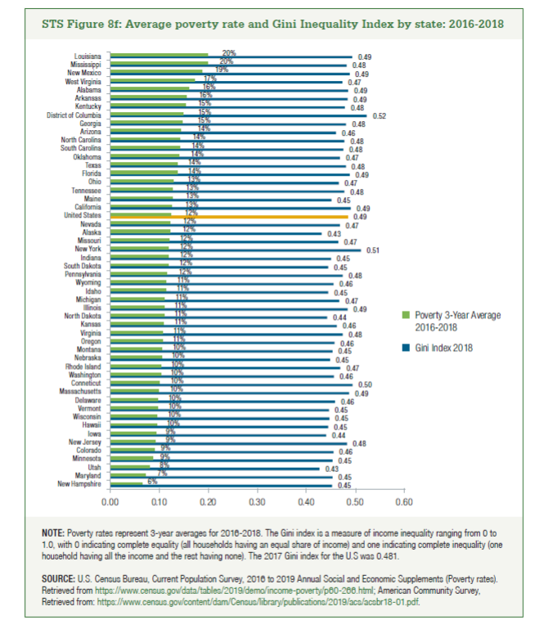
 | Poverty 3 Year Average 2016-2018 | Gini Index
New Hampshire | 6% | 0.45
Maryland | 7% | 0.45
Utah | 8% | 0.43
Minnesota | 9% | 0.45
Colorado | 9% | 0.46
New Jersey | 9% | 0.48
Iowa | 9% | 0.44
Hawaii | 10% | 0.45
Wisconsin | 10% | 0.45
Vermont | 10% | 0.45
Delaware | 10% | 0.46
Massachusetts | 10% | 0.49
Connecticut | 10% | 0.50
Washington | 10% | 0.46
Rhode Island | 10% | 0.47
Nebraska | 10% | 0.45
Montana | 10% | 0.45
Oregon | 11% | 0.46
Virginia | 11% | 0.48
Kansas | 11% | 0.46
North Dakota | 11% | 0.44
Illinois | 11% | 0.49
Michigan | 11% | 0.47
Idaho | 11% | 0.45
Wyoming | 11% | 0.46
Pennsylvania | 12% | 0.48
South Dakota | 12% | 0.45
Indiana | 12% | 0.45
New York | 12% | 0.51
Missouri | 12% | 0.47
Alaska | 12% | 0.43
Nevada | 12% | 0.47
United States | 12% | 0.49
California | 13% | 0.49
Maine | 13% | 0.45
Tennessee | 13% | 0.48
Ohio | 13% | 0.47
Florida | 14% | 0.49
Texas | 14% | 0.48
Oklahoma | 14% | 0.47
South Carolina | 14% | 0.48
North Carolina | 14% | 0.48
Arizona | 14% | 0.46
Georgia | 15% | 0.48
District of Columbia | 15% | 0.52
Kentucky | 15% | 0.48
Arkansas | 16% | 0.49
Alabama | 16% | 0.49
West Virginia | 17% | 0.47
New Mexico | 19% | 0.49
Mississippi | 20% | 0.48
Louisiana | 20% | 0.49

