2020 STS 8e Chart
 | 1990 | 2018
Mississippi | $37,600 | $42,781
New Mexico | $45,000 | $48,283
Arkansas | $39,500 | $49,781
Alabama | $44,100 | $49,936
Louisiana | $41,000 | $49,973
West Virginia | $38,900 | $50,573
North Carolina | $49,800 | $53,369
Oklahoma | $44,100 | $54,434
Kentucky | $42,100 | $54,555
Florida | $51,400 | $54,644
Georgia | $54,300 | $55,821
Tennessee | $46,400 | $56,060
South Carolina | $49,100 | $57,444
Montana | $43,000 | $57,679
Maine | $52,100 | $58,663
Idaho | $47,200 | $58,728
South Dakota | $42,100 | $59,463
Texas | $50,500 | $59,785
Indiana | $53,800 | $59,892
Michigan | $58,000 | $60,449
Ohio | $53,700 | $61,633
Missouri | $49,300 | $61,726
Nevada | $58,000 | $61,864
Rhode Island | $60,200 | $62,266
Arizona | $51,500 | $62,283
Wyoming | $50,700 | $62,539
Wisconsin | $55,000 | $62,629
United States | $56,200 | $63,179
Kansas | $51,000 | $63,938
Pennsylvania | $54,300 | $64,524
Delaware | $65,200 | $65,012
North Dakota | $43,400 | $66,505
New York | $61,600 | $67,274
Nebraska | $48,600 | $67,575
Iowa | $49,000 | $68,718
Alaska | $77,400 | $68,734
Oregon | $50,900 | $69,165
Vermont | $55,700 | $70,066
Illinois | $60,300 | $70,145
California | $66,900 | $70,489
Minnesota | $57,800 | $71,817
Connecticut | $78,000 | $72,812
Colorado | $56,300 | $73,034
New Jersey | $76,500 | $74,176
Utah | $55,100 | $77,067
Virginia | $62,300 | $77,151
Washington | $58,300 | $79,726
Hawaii | $72,600 | $80,108
New Hampshire | $67,900 | $81,346
District of Columbia | $57,400 | $85,750
...

2020 STS Fig 8e Data & Image
STS Figure 8e: Median household income by state: 1990 and 2018

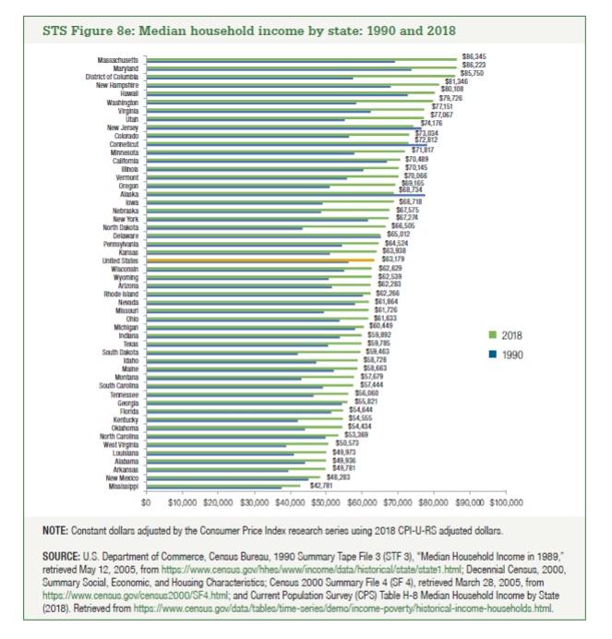
 | 1990 | 2018
Mississippi | $37,600 | $42,781
New Mexico | $45,000 | $48,283
Arkansas | $39,500 | $49,781
Alabama | $44,100 | $49,936
Louisiana | $41,000 | $49,973
West Virginia | $38,900 | $50,573
North Carolina | $49,800 | $53,369
Oklahoma | $44,100 | $54,434
Kentucky | $42,100 | $54,555
Florida | $51,400 | $54,644
Georgia | $54,300 | $55,821
Tennessee | $46,400 | $56,060
South Carolina | $49,100 | $57,444
Montana | $43,000 | $57,679
Maine | $52,100 | $58,663
Idaho | $47,200 | $58,728
South Dakota | $42,100 | $59,463
Texas | $50,500 | $59,785
Indiana | $53,800 | $59,892
Michigan | $58,000 | $60,449
Ohio | $53,700 | $61,633
Missouri | $49,300 | $61,726
Nevada | $58,000 | $61,864
Rhode Island | $60,200 | $62,266
Arizona | $51,500 | $62,283
Wyoming | $50,700 | $62,539
Wisconsin | $55,000 | $62,629
United States | $56,200 | $63,179
Kansas | $51,000 | $63,938
Pennsylvania | $54,300 | $64,524
Delaware | $65,200 | $65,012
North Dakota | $43,400 | $66,505
New York | $61,600 | $67,274
Nebraska | $48,600 | $67,575
Iowa | $49,000 | $68,718
Alaska | $77,400 | $68,734
Oregon | $50,900 | $69,165
Vermont | $55,700 | $70,066
Illinois | $60,300 | $70,145
California | $66,900 | $70,489
Minnesota | $57,800 | $71,817
Connecticut | $78,000 | $72,812
Colorado | $56,300 | $73,034
New Jersey | $76,500 | $74,176
Utah | $55,100 | $77,067
Virginia | $62,300 | $77,151
Washington | $58,300 | $79,726
Hawaii | $72,600 | $80,108
New Hampshire | $67,900 | $81,346
District of Columbia | $57,400 | $85,750
Maryland | $73,600 | $86,223
Massachusetts | $69,100 | $86,345

