2020 STS Figure 8d Chart
 | After-Tax Income | Federal Taxes | Government Transfers | Market Income
Lowest Quintile | $35,000 | $- | $15,000 | $21,000
Second Quintile | $48,000 | $4,000 | $7,000 | $45,000
Middle Quintile | $66,000 | $10,000 | $3,000 | $72,000
Fourth Quintile | $92,000 | $20,000 | $2,000 | $110,000
Highest Quintile | $215,000 | $77,000 | $1,000 | $291,000

2020 STS Figure 8d Data & Ima
STS Figure 8d: Average household income, transfers, and taxes by before-tax income quintiles: 2016

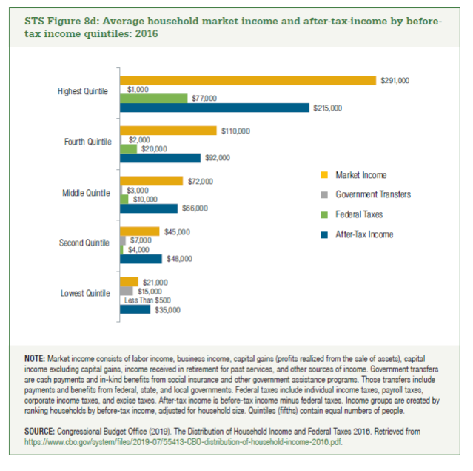
 | After-Tax Income | Federal Taxes | Government Transfers | Market Income
Lowest Quintile | $35,000 | Less Than $500 | $15,000 | $21,000
Second Quintile | $48,000 | $4,000 | $7,000 | $45,000
Middle Quintile | $66,000 | $10,000 | $3,000 | $72,000
Fourth Quintile | $92,000 | $20,000 | $2,000 | $110,000
Highest Quintile | $215,000 | $77,000 | $1,000 | $291,000

