2020 STS 8c chart
 | Highest quintile | Fourth quintile | Third quintile | Second quintile | Lowest quintile
2018 | 52% | 23% | 14% | 8% | 3%
2017 | 52% | 23% | 14% | 8% | 3%
2016 | 52% | 23% | 14% | 8% | 3%
2015 | 51% | 23% | 14% | 8% | 3%
2014 | 51% | 23% | 14% | 8% | 3%
2013 | 51% | 23% | 14% | 8% | 3%
2012 | 51% | 23% | 14% | 8% | 3%
2011 | 51% | 23% | 14% | 8% | 3%
2010 | 50% | 23% | 15% | 9% | 3%
2009 | 50% | 23% | 15% | 9% | 3%
2008 | 50% | 23% | 15% | 9% | 3%
2007 | 50% | 23% | 15% | 9% | 3%
2006 | 51% | 23% | 15% | 9% | 3%
2005 | 50% | 23% | 15% | 9% | 3%
2004 | 50% | 23% | 15% | 9% | 3%
2003 | 50% | 23% | 15% | 9% | 3%
2002 | 50% | 23% | 15% | 9% | 4%
2001 | 50% | 23% | 15% | 9% | 4%
2000 | 50% | 23% | 15% | 9% | 4%
1999 | 49% | 23% | 15% | 9% | 4%
1998 | 49% | 23% | 15% | 9% | 4%
1997 | 49% | 23% | 15% | 9% | 4%
1996 | 49% | 23% | 15% | 9% | 4%
1995 | 49% | 23% | 15% | 9% | 4%
1994 | 49% | 23% | 15% | 9% | 4%
1993 | 49% | 24% | 15% | 9% | 4%
1992 | 47% | 24% | 16% | 9% | 4%
1991 | 47% | 24% | 16% | 10% | 4%
1990 | 47% | 24% | 16% | 10% | 4%
1989 | 47% | 24% | 16% | 10% | 4%
1988 | 46% | 24% | 16% | 10% | 4%
1987 | 46% | 24% | 16% | 10% | 4%
1986 | 46% | 24% | 16% | 10% | 4%
1985 | 46% | 24% | 16% | 10% | 4%
1984 | 45% | 25% | 16% | 10% | 4%
1983 | 45% | 25% | 16% | 10% | 4%
1982 | 45% | 25% | 17% | 10% | 4%
1981 | 44% | 25% | 17% | 10% | 4%
1980 | 44% | 25% | 17% | 10% | 4%
1979 | 44% | 25% | 17% | 10% | 4%
1978 | 44% | 25% | 17% | 10% | 4%
1977 | 44% | 25% | 17% | 10% | 4%
1976 | 44% | 25% | 17% | 10% | 4%
1975 | 44% | 25% | 17% | 10% | 4%
1974 | 44% | 25% | 17% | 11% | 4%
1973 | 44% | 25% | 17% | 10% | 4%
1972 | 44% | 25% | 17% | 10% | 4%
1971 | 44% | 25% | 17% | 11% | 4%
1970 | 43% | 25% | 17% | 11% | 4%
1969 | 43% | 25% | 18% | 11% | 4%
...

2020 STS Fig 8c Data&Ima
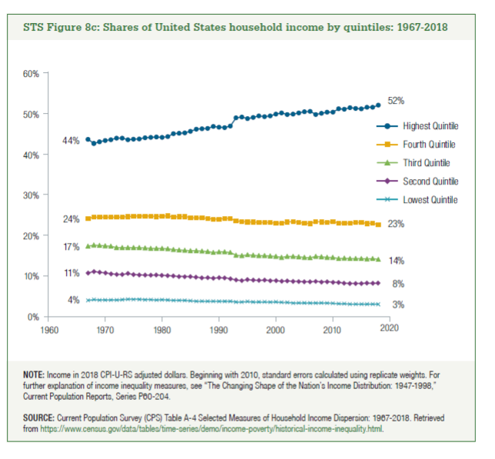
STS Figure 8c: Shares of United States Household Income by quintiles: 1967-2018

 | 2018 | 2017 | 2016 | 2015 | 2014 | 2013 | 2012 | 2011 | 2010 | 2009 | 2008 | 2007 | 2006 | 2005 | 2004 | 2003 | 2002 | 2001 | 2000 | 1999 | 1998 | 1997 | 1996 | 1995 | 1994 | 1993 | 1992 | 1991 | 1990 | 1989 | 1988 | 1987 | 1986 | 1985 | 1984 | 1983 | 1982 | 1981 | 1980 | 1979 | 1978 | 1977 | 1976 | 1975 | 1974 | 1973 | 1972 | 1971 | 1970 | 1969 | 1968 | 1967
Highest quintile | 52% | 52% | 52% | 51% | 51% | 51% | 51% | 51% | 50% | 50% | 50% | 50% | 51% | 50% | 50% | 50% | 50% | 50% | 50% | 49% | 49% | 49% | 49% | 49% | 49% | 49% | 47% | 47% | 47% | 47% | 46% | 46% | 46% | 46% | 45% | 45% | 45% | 44% | 44% | 44% | 44% | 44% | 44% | 44% | 44% | 44% | 44% | 44% | 43% | 43% | 43% | 44%
Fourth quintile | 23% | 23% | 23% | 23% | 23% | 23% | 23% | 23% | 23% | 23% | 23% | 23% | 23% | 23% | 23% | 23% | 23% | 23% | 23% | 23% | 23% | 23% | 23% | 23% | 23% | 24% | 24% | 24% | 24% | 24% | 24% | 24% | 24% | 24% | 25% | 25% | 25% | 25% | 25% | 25% | 25% | 25% | 25% | 25% | 25% | 25% | 25% | 25% | 25% | 25% | 25% | 24%
Third quintile | 14% | 14% | 14% | 14% | 14% | 14% | 14% | 14% | 15% | 15% | 15% | 15% | 15% | 15% | 15% | 15% | 15% | 15% | 15% | 15% | 15% | 15% | 15% | 15% | 15% | 15% | 16% | 16% | 16% | 16% | 16% | 16% | 16% | 16% | 16% | 16% | 17% | 17% | 17% | 17% | 17% | 17% | 17% | 17% | 17% | 17% | 17% | 17% | 17% | 18% | 18% | 17%
Second quintile | 8% | 8% | 8% | 8% | 8% | 8% | 8% | 8% | 9% | 9% | 9% | 9% | 9% | 9% | 9% | 9% | 9% | 9% | 9% | 9% | 9% | 9% | 9% | 9% | 9% | 9% | 9% | 10% | 10% | 10% | 10% | 10% | 10% | 10% | 10% | 10% | 10% | 10% | 10% | 10% | 10% | 10% | 10% | 10% | 11% | 10% | 10% | 11% | 11% | 11% | 11% | 11%
Lowest quintile | 3% | 3% | 3% | 3% | 3% | 3% | 3% | 3% | 3% | 3% | 3% | 3% | 3% | 3% | 3% | 3% | 4% | 4% | 4% | 4% | 4% | 4% | 4% | 4% | 4% | 4% | 4% | 4% | 4% | 4% | 4% | 4% | 4% | 4% | 4% | 4% | 4% | 4% | 4% | 4% | 4% | 4% | 4% | 4% | 4% | 4% | 4% | 4% | 4% | 4% | 4% | 4%

